fig 1
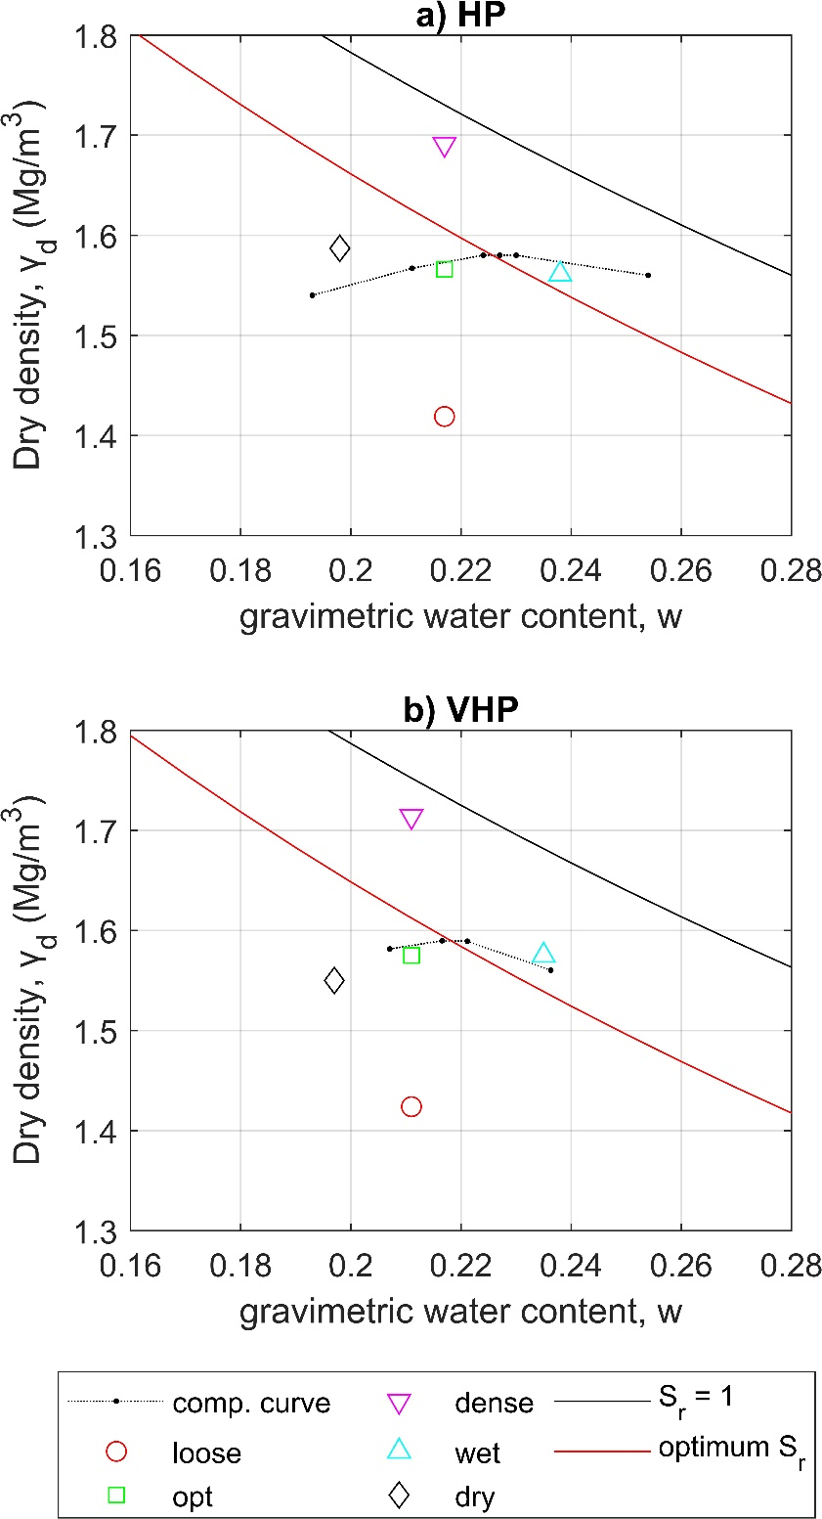
a) HP |  |  | b) VHP

 | w | gamma_d |  | w | gamma_d
 |  | Mg/m^3 |  |  | Mg/m^3
loose | 0.21685712283 | 1.4186571613 | loose | 0.21116978067 | 1.4241797476
opt | 0.21685712283 | 1.5661089912 | opt | 0.21116978067 | 1.5750926617
dense | 0.21685712283 | 1.6912167064 | dense | 0.21116978067 | 1.7140929042
wet | 0.23781564913 | 1.5606819705 | wet | 0.23525570525 | 1.5748664378
dry | 0.19832150322 | 1.5869259313 | dry | 0.19650456789 | 1.5496855986

comp. curve |  |  | comp. curve

 | w | gamma_d |  | w | gamma_d
 |  | Mg/m^3 |  |  | Mg/m^3
 | 0.193 | 1.54 |  | 0.2070662972 | 1.581578414
 | 0.21111 | 1.567 |  | 0.2165713675 | 1.589754659
 | 0.224 | 1.58 |  | 0.2211636014 | 1.589213761
 | 0.227 | 1.58 |  | 0.2363083944 | 1.560201329
 | 0.23 | 1.58
 | 0.254 | 1.56

fig 2
a) HP - loose |  |  |  |  |  |  |  |  |  |  |  |  |  | b) VHP - loose |  |  |  |  |  |  |  |  |  |  |  |  |  | c) HP - optimum |  |  |  |  |  |  |  |  |  |  |  |  |  | d) VHP - optimum |  |  |  |  |  |  |  |  |  |  |  |  |  | e) HP - dense |  |  |  |  |  |  |  |  |  |  |  |  |  | f) VHP - dense |  |  |  |  |  |  |  |  |  |  |  |  |  | g) HP - wet |  |  |  |  |  |  |  |  |  |  |  |  |  | h) VHP - wet |  |  |  |  |  |  |  |  |  |  |  |  |  | i) HP - dry |  |  |  |  |  |  |  |  |  |  |  |  |  | j) VHP - dry

dry 1 |  | dry 2 |  | dry 3 |  | dry 4 |  | dry 5 |  | dry 6 |  | last cycle |  | dry 1 |  | dry 2 |  | dry 3 |  | dry 4 |  | dry 5 |  | dry 6 |  | last cycle |  | dry 1 |  | dry 2 |  | dry 3 |  | dry 4 |  | dry 5 |  | dry 6 |  | last cycle |  | dry 1 |  | dry 2 |  | dry 3 |  | dry 4 |  | dry 5 |  | dry 6 |  | last cycle |  | dry 1 |  | dry 2 |  | dry 3 |  | dry 4 |  | dry 5 |  | dry 6 |  | last cycle |  | dry 1 |  | dry 2 |  | dry 3 |  | dry 4 |  | dry 5 |  | dry 6 |  | last cycle |  | dry 1 |  | dry 2 |  | dry 3 |  | dry 4 |  | dry 5 |  | dry 6 |  | last cycle |  | dry 1 |  | dry 2 |  | dry 3 |  | dry 4 |  | dry 5 |  | dry 6 |  | last cycle |  | dry 1 |  | dry 2 |  | dry 3 |  | dry 4 |  | dry 5 |  | dry 6 |  | last cycle |  | dry 1 |  | dry 2 |  | dry 3 |  | dry 4 |  | dry 5 |  | dry 6 |  | last cycle
s | Sr | s | Sr | s | Sr | s | Sr | s | Sr | s | Sr | s | Sr | s | Sr | s | Sr | s | Sr | s | Sr | s | Sr | s | Sr | s | Sr | s | Sr | s | Sr | s | Sr | s | Sr | s | Sr | s | Sr | s | Sr | s | Sr | s | Sr | s | Sr | s | Sr | s | Sr | s | Sr | s | Sr | s | Sr | s | Sr | s | Sr | s | Sr | s | Sr | s | Sr | s | Sr | s | Sr | s | Sr | s | Sr | s | Sr | s | Sr | s | Sr | s | Sr | s | Sr | s | Sr | s | Sr | s | Sr | s | Sr | s | Sr | s | Sr | s | Sr | s | Sr | s | Sr | s | Sr | s | Sr | s | Sr | s | Sr | s | Sr | s | Sr | s | Sr | s | Sr | s | Sr | s | Sr | s | Sr | s | Sr | s | Sr | s | Sr | s | Sr | s | Sr | s | Sr | s | Sr
MPa |  | MPa |  | MPa |  | MPa |  | MPa |  | MPa |  | MPa |  | MPa |  | MPa |  | MPa |  | MPa |  | MPa |  | MPa |  | MPa |  | MPa |  | MPa |  | MPa |  | MPa |  | MPa |  | MPa |  | MPa |  | MPa |  | MPa |  | MPa |  | MPa |  | MPa |  | MPa |  | MPa |  | MPa |  | MPa |  | MPa |  | MPa |  | MPa |  | MPa |  | MPa |  | MPa |  | MPa |  | MPa |  | MPa |  | MPa |  | MPa |  | MPa |  | MPa |  | MPa |  | MPa |  | MPa |  | MPa |  | MPa |  | MPa |  | MPa |  | MPa |  | MPa |  | MPa |  | MPa |  | MPa |  | MPa |  | MPa |  | MPa |  | MPa |  | MPa |  | MPa |  | MPa |  | MPa |  | MPa |  | MPa |  | MPa |  | MPa |  | MPa |  | MPa |  | MPa
1.75 | 0.599030047 | 1.22 | 0.562909013 | 1.45 | 0.561478993 | 1.12 | 0.546317116 | 1.27 | 0.56105079 | 1.33 | 0.537531461 | 1.21 | 0.53984273 | 1.11 | 0.616650735 | 0.84 | 0.580778788 | 1.04 | 0.584623922 | 0.93 | 0.608723346 | 0.96 | 0.548024176 | 0.86 | 0.548739715 | 1.83 | 0.420060112 | 1.58 | 0.748114549 | 1.29 | 0.705199089 | 1.28 | 0.641176755 | 1.01 | 0.722383689 | 1.82 | 0.673895237 | 1.23 | 0.717294299 | 1.16 | 0.636464589 | 1.5 | 0.767412773 | 1.21 | 0.675483463 | 1.1 | 0.71337746 | 1.06 | 0.685905518 | 1.39 | 0.656980947 | 1.01 | 0.699593593 | 1.82 | 0.591741903 | 1.78 | 0.900193275 | 1.15 | 0.859898042 | 2.17 | 0.766002028 | 1.45 | 0.78189104 | 1.38 | 0.749432427 | 1.13 | 0.790512074 | 1.31 | 0.795600091 | 1.51 | 0.944042548 | 1.25 | 0.864878033 | 1.23 | 0.832833796 | 1.13 | 0.786773513 | 1.8 | 0.747963295 | 1.21 | 0.742371278 | 2.5 | 0.666591605 | 1.53 | 0.835913215 | 1.72 | 0.737391277 | 1.06 | 0.772290421 | 1.61 | 0.729786604 | 1.14 | 0.705843968 | 1.18 | 0.738834264 | 1.31 | 0.723858799 | 1.21 | 0.854660252 | 1.01 | 0.780889375 | 1.04 | 0.816111964 | 1 | 0.750201138 | 1.54 | 0.694117883 | 1.13 | 0.714245689 | 1.16 | 0.631279621 | 1.22 | 0.723472763 | 1.16 | 0.693767041 | 1.14 | 0.643335078 | 1.06 | 0.680200679 | 1.21 | 0.645647694 | 1.16 | 0.625676712 | 0.81 | 0.705739452 | 2.28 | 0.688089508 | 1.26 | 0.701507841 | 1.77 | 0.630128095 | 1.02 | 0.687320166 | 1.57 | 0.649627381 | 1.79 | 0.629681608 | 2.31 | 0.564155435
3.66 | 0.547802374 | 1.45 | 0.568814214 | 2.27 | 0.520719757 | 2.84 | 0.499633846 | 1.52 | 0.555036408 | 1.39 | 0.531310026 | 2.04 | 0.488797189 | 3.27 | 0.574787751 | 2.13 | 0.557956329 | 5.37 | 0.493890217 | 1.26 | 0.583794718 | 1.92 | 0.503416079 | 1.57 | 0.513370207 | 3.09 | 0.419906881 | 3.98 | 0.712385122 | 2.7 | 0.660123061 | 2.1 | 0.654581717 | 4.27 | 0.584261469 | 4 | 0.622206199 | 2.05 | 0.648937196 | 2.27 | 0.589775132 | 2.95 | 0.750544334 | 1.39 | 0.673530685 | 1.42 | 0.719536032 | 1.38 | 0.672713415 | 2.66 | 0.596623266 | 1.27 | 0.675387559 | 2.71 | 0.538204518 | 5.48 | 0.866397093 | 1.2 | 0.8556166 | 4.42 | 0.702402566 | 1.62 | 0.778733997 | 1.65 | 0.758948041 | 1.16 | 0.801590136 | 1.81 | 0.765639047 | 4.9 | 0.931295169 | 5.93 | 0.788928003 | 1.24 | 0.865503643 | 1.48 | 0.787090201 | 1.89 | 0.76588964 | 1.83 | 0.753363465 | 10.84 | 0.548088716 | 2.33 | 0.767651781 | 2.04 | 0.729778079 | 4.59 | 0.669128648 | 2.47 | 0.710637664 | 3.07 | 0.660430728 | 1.29 | 0.77826638 | 2.36 | 0.653860278 | 2.96 | 0.816799215 | 1.56 | 0.776692858 | 1.28 | 0.749478367 | 1.75 | 0.73456503 | 1.83 | 0.692060568 | 1.31 | 0.706193527 | 3.67 | 0.564472467 | 3.45 | 0.666099556 | 1.44 | 0.677815652 | 5.32 | 0.548075419 | 1.42 | 0.671767312 | 1.73 | 0.636721329 | 1.32 | 0.638945383 | 1.46 | 0.664277503 | 4.5 | 0.675948461 | 6.94 | 0.561851092 | 3.4 | 0.607120873 | 2.7 | 0.596479955 | 1.68 | 0.652632113 | 2.35 | 0.614225599 | 4.64 | 0.517926156
4.97 | 0.51342246 | 2.8 | 0.513416582 | 4.56 | 0.477040077 | 3.71 | 0.486768433 | 4.13 | 0.484860072 | 2.95 | 0.49033894 | 6.09 | 0.416299747 | 3.72 | 0.557665101 | 2.76 | 0.524330461 | 8.86 | 0.449518678 | 1.83 | 0.519786732 | 5.13 | 0.461928203 | 3.02 | 0.490228315 | 9.91 | 0.337522039 | 3.87 | 0.692817762 | 4.63 | 0.618150219 | 4.02 | 0.612247074 | 5.47 | 0.5524015 | 13.32 | 0.501086102 | 6.78 | 0.570019883 | 2.49 | 0.56768012 | 5.37 | 0.707975034 | 3.38 | 0.632859998 | 2.29 | 0.679320026 | 2.42 | 0.648877992 | 6.77 | 0.556842521 | 1.78 | 0.649982546 | 7.96 | 0.474878831 | 12.53 | 0.754668474 | 1.86 | 0.82353592 | 4.94 | 0.728673841 | 3.77 | 0.724732828 | 3.12 | 0.735326084 | 1.68 | 0.756774466 | 2.29 | 0.743117477 | 6.46 | 0.900285413 | 11.75 | 0.734024125 | 1.61 | 0.842014183 | 3.2 | 0.754765746 | 2.36 | 0.749673669 | 2.49 | 0.736661562 | 25.36 | 0.463347559 | 4.01 | 0.738346019 | 3.5 | 0.680801653 | 17.97 | 0.523210354 | 5.42 | 0.625234052 | 10.47 | 0.553193682 | 2.77 | 0.69704455 | 4.26 | 0.590064554 | 4.6 | 0.769380443 | 2.7 | 0.73672071 | 2.49 | 0.732419493 | 2.76 | 0.691779669 | 3.75 | 0.65925952 | 2.08 | 0.703130432 | 6.99 | 0.526327229 | 8.13 | 0.576164797 | 2.28 | 0.652337204 | 16.56 | 0.442561455 | 1.86 | 0.641768092 | 19.48 | 0.406319618 | 1.96 | 0.612699178 | 1.87 | 0.60968422 | 7.12 | 0.616907048 | 13.24 | 0.522374669 | 6.27 | 0.57805088 | 6.62 | 0.565359282 | 2.44 | 0.624322619 | 3.01 | 0.595093249 | 6.84 | 0.492270729
13.44 | 0.409613797 | 4.92 | 0.467340255 | 7.72 | 0.417457166 | 6.25 | 0.46516969 | 17.21 | 0.359231639 | 14.6 | 0.351276937 | 13.75 | 0.34089317 | 5.27 | 0.537550664 | 5.36 | 0.490258342 | 11.71 | 0.429441979 | 4.09 | 0.489244587 | 9.34 | 0.426030087 | 4.24 | 0.466490158 | 15.16 | 0.308600745 | 11.43 | 0.565147071 | 12.83 | 0.51540507 | 6.36 | 0.553587553 | 9.53 | 0.518059187 | 17.9 | 0.453470816 | 9.82 | 0.535946037 | 3.67 | 0.522548186 | 7.57 | 0.655315291 | 6.8 | 0.598382223 | 3.3 | 0.645079794 | 4.75 | 0.601609999 | 9.08 | 0.537573445 | 3.41 | 0.616392209 | 12.81 | 0.432392493 | 16.38 | 0.676235569 | 5.75 | 0.751877919 | 10.89 | 0.637042284 | 5.96 | 0.669357994 | 5.7 | 0.670521071 | 2.08 | 0.766541913 | 4.96 | 0.673258173 | 7.86 | 0.914828706 | 17.6 | 0.659436129 | 2.7 | 0.82865794 | 5.33 | 0.722205695 | 3.85 | 0.72463027 | 5.29 | 0.675888207 | 38.43 | 0.405414744 | 9.23 | 0.662244605 | 8 | 0.608082867 | 19.26 | 0.497815036 | 10.21 | 0.599403836 | 21.64 | 0.460211293 | 5.81 | 0.612978334 | 12.19 | 0.472782304 | 6.67 | 0.75423448 | 5.04 | 0.702817738 | 4.02 | 0.720137536 | 5.45 | 0.646070835 | 5.99 | 0.631073992 | 2.61 | 0.65941771 | 18.51 | 0.438886518 | 17.67 | 0.462553505 | 6.91 | 0.53968881 | 22.39 | 0.393026561 | 4.28 | 0.574913727 | 27.39 | 0.354596452 | 4.43 | 0.540372719 | 10.35 | 0.45333366 | 10.23 | 0.588464889 | 19.41 | 0.474575747 | 8.63 | 0.550777076 | 9.02 | 0.544855157 | 3.6 | 0.595218977 | 4.65 | 0.574058944 | 25.33 | 0.371166744
20.42 | 0.348521148 | 8.19 | 0.430034783 | 13.78 | 0.388860716 | 12.31 | 0.396465832 | 31.96 | 0.267315329 | 28.63 | 0.283381073 | 24.5 | 0.288430087 | 7.68 | 0.517554114 | 9.13 | 0.46111208 | 14.74 | 0.397420716 | 6 | 0.464778622 | 15.01 | 0.385500878 | 7.52 | 0.429533764 | 29.54 | 0.261242023 | 15.69 | 0.49776618 | 27.32 | 0.409001384 | 10.47 | 0.520446002 | 20.07 | 0.422604086 | 22.61 | 0.433605252 | 19.77 | 0.445209608 | 17.38 | 0.414322127 | 9.45 | 0.612348237 | 13.09 | 0.547331533 | 6.88 | 0.593483153 | 7.63 | 0.572312295 | 17.26 | 0.478383926 | 5.1 | 0.5847708 | 31.56 | 0.340031776 | 28.78 | 0.547631726 | 18.25 | 0.588293663 | 15.81 | 0.587549529 | 9.66 | 0.604259926 | 11.48 | 0.595034646 | 4.09 | 0.706566663 | 8.43 | 0.621058151 | 9.7 | 0.886069532 | 22.82 | 0.632549278 | 3.66 | 0.801890448 | 7.52 | 0.702985797 | 6.31 | 0.69498596 | 8.85 | 0.649122379 | 57.52 | 0.337541029 | 11.08 | 0.634617786 | 17 | 0.514740405 | 43.83 | 0.371931841 | 20.54 | 0.49440024 | 32.53 | 0.403244497 | 16.04 | 0.510910344 | 43.82 | 0.324163351 | 8.44 | 0.731260104 | 8.95 | 0.653556493 | 6.18 | 0.675126486 | 8.12 | 0.625456529 | 10.19 | 0.572138353 | 5.23 | 0.628070322 | 34.6 | 0.365233053 | 21.5 | 0.425215341 | 18.99 | 0.428835624 | 29.22 | 0.346457707 | 7.24 | 0.542015575 | 42.48 | 0.287955852 | 11.97 | 0.432297312 | 12.58 | 0.429365674 | 12.9 | 0.558853243 | 26.81 | 0.434130049 | 10.25 | 0.524888776 | 12.55 | 0.503735215 | 6.1 | 0.563589596 | 6.05 | 0.547624106 | 33.87 | 0.331236205
31.78 | 0.293661162 | 18.91 | 0.347659934 | 25.3 | 0.310986155 | 18.94 | 0.346814776 | 36.37 | 0.248413347 | 27.48 | 0.270993353 | 34.33 | 0.249238025 | 9.31 | 0.484380005 | 17.64 | 0.395827575 | 19.53 | 0.374062383 | 7.86 | 0.450439771 | 22.25 | 0.350531893 | 9.2 | 0.421990395 | 45.72 | 0.208809032 | 23.47 | 0.44946376 | 33.13 | 0.374255621 | 15.38 | 0.474785511 | 29.58 | 0.377333399 | 29.28 | 0.391147775 | 23.56 | 0.405795112 | 33.14 | 0.325892759 | 12.3 | 0.585701028 | 18.1 | 0.510027173 | 11.94 | 0.544425931 | 12.21 | 0.522239426 | 21.92 | 0.435113391 | 8.03 | 0.547228515 | 34.28 | 0.336483499 | 34.73 | 0.496083496 | 30.96 | 0.476199542 | 20.74 | 0.537180498 | 20.93 | 0.533705681 | 16.95 | 0.536444046 | 9.77 | 0.619837093 | 19.44 | 0.523993245 | 13.57 | 0.840967271 | 29.42 | 0.589064127 | 8.71 | 0.749182053 | 11.52 | 0.663604652 | 8.35 | 0.671555463 | 13.85 | 0.615349204 | 66.69 | 0.309040351 | 16.48 | 0.549140182 | 25.59 | 0.454432637 | 53.11 | 0.352788612 | 29.43 | 0.446254989 | 43.65 | 0.360847698 | 34.32 | 0.392344988 | 61.2 | 0.283063944 | 12.59 | 0.689785779 | 14.25 | 0.553593081 | 12.18 | 0.61707625 | 12.68 | 0.572803102 | 13.42 | 0.554445584 | 7.83 | 0.591532817 | 48.32 | 0.312143774 | 25.47 | 0.400395131 | 30.92 | 0.35664898 | 35.25 | 0.326311024 | 13.66 | 0.472129216 | 65.81 | 0.224626086 | 21.89 | 0.350080879 | 23.56 | 0.371671813 | 15.18 | 0.531478045 | 35.34 | 0.3850631 | 14.95 | 0.492171144 | 18.14 | 0.461743249 | 9.95 | 0.525307229 | 8.57 | 0.523561674 | 46.83 | 0.293360797
42.42 | 0.254202954 | 31.64 | 0.285000859 | 33.28 | 0.279894456 | 26.38 | 0.306214538 | 54.12 | 0.211047302 | 46.2 | 0.227722121 | 50.09 | 0.207433337 | 12.89 | 0.460882468 | 22.64 | 0.36381798 | 22.19 | 0.352817872 | 10.25 | 0.429553721 | 30.22 | 0.307506598 | 12.94 | 0.386724193 | 53.44 | 0.19450515 | 35.51 | 0.369251043 | 50.97 | 0.326982835 | 25.21 | 0.401324881 | 28.21 | 0.346775571 | 34.34 | 0.365788454 | 38.01 | 0.345703969 | 48.69 | 0.280120962 | 18.23 | 0.517064923 | 22.71 | 0.47445482 | 15.04 | 0.517652455 | 15.87 | 0.500332266 | 26.96 | 0.408405536 | 12.54 | 0.511289069 | 45.36 | 0.291668065 | 47.05 | 0.450538842 | 47.78 | 0.422171065 | 30.41 | 0.469213107 | 28.12 | 0.489185215 | 25.89 | 0.489033663 | 20.24 | 0.502306961 | 43.51 | 0.395237278 | 16.18 | 0.80852751 | 33.28 | 0.566976694 | 11.01 | 0.719143412 | 15.6 | 0.625116368 | 12.17 | 0.637726269 | 14.54 | 0.602744507 | 79.26 | 0.281327614 | 23.9 | 0.477715236 | 38.88 | 0.386816269 | 65.59 | 0.326832306 | 40.89 | 0.385010086 | 51.37 | 0.331461725 | 46.21 | 0.350834261 | 63.36 | 0.286547759 | 15.92 | 0.646576687 | 26.6 | 0.504271994 | 14.6 | 0.592869739 | 19.92 | 0.523066325 | 17.82 | 0.517690146 | 12.29 | 0.551587353 | 60.06 | 0.27185634 | 35.34 | 0.33270881 | 52.51 | 0.283832211 | 44.81 | 0.3005036 | 20.4 | 0.412063229 | 80.34 | 0.206533737 | 29.95 | 0.292396619 | 31.53 | 0.329324024 | 20.57 | 0.488799318 | 48.2 | 0.329190937 | 17.4 | 0.471500062 | 24.08 | 0.430290422 | 14.01 | 0.493268241 | 11.91 | 0.503019478 | 58.44 | 0.260205206
51.57 | 0.234859468 | 32.94 | 0.283680603 | 44.11 | 0.248435056 | 31.85 | 0.27972068 | 65.93 | 0.186456483 | 46.87 | 0.207433689 | 59.64 | 0.190175087 | 17.2 | 0.414296551 | 30.18 | 0.31521231 | 27.78 | 0.326104258 | 14.71 | 0.397938938 | 37.07 | 0.275318021 | 20.21 | 0.350606137 | 62.7 | 0.140044734 | 57.16 | 0.302809944 | 67.56 | 0.274225495 | 32.26 | 0.36425832 | 40.11 | 0.33216745 | 40.66 | 0.338897806 | 40.69 | 0.327894466 | 62.46 | 0.24676513 | 23.8 | 0.461771085 | 30.25 | 0.415555686 | 17.3 | 0.509603651 | 22.68 | 0.455034088 | 30.26 | 0.403218747 | 19.12 | 0.465604857 | 57.58 | 0.255339875 | 57.66 | 0.406791639 | 55.64 | 0.404143233 | 50.83 | 0.38584441 | 27.91 | 0.478503663 | 35.68 | 0.429941379 | 29.24 | 0.454939733 | 53.61 | 0.354581401 | 20.01 | 0.734383786 | 37.47 | 0.547027517 | 14.78 | 0.68474263 | 17.16 | 0.620007497 | 15.22 | 0.61159639 | 20.73 | 0.568214473 |  |  | 35.94 | 0.407649135 | 47.3 | 0.36766679 | 74.89 | 0.300747553 | 51.71 | 0.346205604 | 60.6 | 0.311933578 | 49.32 | 0.332717678 | 69.38 | 0.265566261 | 20.69 | 0.576317332 | 37.12 | 0.438843114 | 18.63 | 0.551894157 | 28.24 | 0.471833803 | 21.21 | 0.508346225 | 16.29 | 0.520177851 | 70.54 | 0.254064082 | 49.38 | 0.302345884 | 67.31 | 0.249779243 | 58.63 | 0.263388332 | 27.87 | 0.368022473 | 82.45 | 0.203912923 | 42.85 | 0.261808058 | 46.55 | 0.269517636 | 24.75 | 0.448983465 | 52.58 | 0.322367761 | 23.45 | 0.432899099 | 28.71 | 0.402496021 | 20.74 | 0.447641798 | 13.49 | 0.493049312 | 76.16 | 0.229571213
59.13 | 0.22174966 | 63.12 | 0.21360573 | 43.09 | 0.232186979 | 47.16 | 0.237467185 | 75.1 | 0.16798543 | 75.54 | 0.173402777 | 71.33 | 0.167824152 | 20.52 | 0.391409352 | 40.48 | 0.290980099 | 35.03 | 0.293838545 | 20.94 | 0.361678963 | 44.85 | 0.253631496 | 24.25 | 0.335152212 | 73.34 | 0.113277534 | 62.73 | 0.289716938 | 83.36 | 0.247427073 | 57.89 | 0.27581185 | 53.74 | 0.291744078 | 46.81 | 0.311511214 | 52.74 | 0.299227251 | 67.96 | 0.237786213 | 28.71 | 0.43207907 | 36.77 | 0.391136765 | 20.59 | 0.486040191 | 30 | 0.413015062 | 33.14 | 0.380217682 | 24.3 | 0.429690597 | 69.59 | 0.229206225 | 65.6 | 0.370653001 | 63.64 | 0.35775157 | 60.59 | 0.353294796 | 31.85 | 0.436515153 | 41.86 | 0.394634289 | 37.05 | 0.426708014 | 63.81 | 0.318423898 | 24.67 | 0.665369016 | 42.84 | 0.524835918 | 17.52 | 0.667925644 | 22.79 | 0.566005491 | 20.95 | 0.573055272 | 25.3 | 0.5406451 |  |  | 45.9 | 0.374652962 | 57.93 | 0.332476745 |  |  | 62.38 | 0.321548567 | 67.31 | 0.295340646 | 61.12 | 0.310799237 | 82.59 | 0.252563596 | 27.06 | 0.530791856 | 42 | 0.417447642 | 23.39 | 0.507514428 | 35.58 | 0.428246385 | 24.48 | 0.483805874 | 21.22 | 0.493310902 | 79.67 | 0.218920166 | 64.96 | 0.269290994 | 71.02 | 0.244744865 | 65.2 | 0.244597146 | 40.39 | 0.312762869 |  |  | 51.61 | 0.244311359 | 59.25 | 0.238144405 | 29.17 | 0.420128472 | 67.41 | 0.293615799 | 28.95 | 0.407595681 | 35.34 | 0.372052503 | 26.19 | 0.415581168 | 18.61 | 0.456160303 | 79.9 | 0.218255265
68.52 | 0.203142528 | 78.96 | 0.184575897 | 70.09 | 0.194932945 | 53.38 | 0.218798998 | 89.08 | 0.156934717 | 67.58 | 0.172183106 | 87.65 | 0.141766532 | 23.73 | 0.365672608 | 49.92 | 0.252456551 | 41.85 | 0.269258484 | 30.13 | 0.322422412 | 53.67 | 0.236175965 | 29.29 | 0.314824242 |  |  | 70.27 | 0.271337555 |  |  | 81.63 | 0.236021292 | 65.15 | 0.265825434 | 52.95 | 0.297785249 | 62.55 | 0.279236682 | 76.51 | 0.220145879 | 35.25 | 0.3918251 | 46.89 | 0.355281898 | 28.55 | 0.429279146 | 38.43 | 0.372805327 | 37.54 | 0.362568656 | 29.38 | 0.406989582 | 85.93 | 0.205171253 | 63.49 | 0.379855644 | 73.73 | 0.337178801 | 70.44 | 0.337336444 | 50.37 | 0.376694985 | 48.45 | 0.380410814 | 42.29 | 0.408318584 | 69.3 | 0.302047927 | 31.69 | 0.622997514 | 47.21 | 0.508298714 | 20.84 | 0.634413328 | 28.17 | 0.544207753 | 28.19 | 0.533469398 | 25.52 | 0.533689929 |  |  | 67.69 | 0.310148307 | 69.64 | 0.301224003 |  |  | 76.51 | 0.288714705 | 73.05 | 0.279899587 | 67.47 | 0.294434512 |  |  | 33.53 | 0.471311824 | 56.35 | 0.378224875 | 28.77 | 0.477376696 | 42.81 | 0.398547501 | 28.91 | 0.455390471 | 23.9 | 0.471890467 |  |  | 70.74 | 0.249358182 |  |  | 70.96 | 0.235414486 | 46.88 | 0.289730034 |  |  | 59.6 | 0.227268347 | 80.18 | 0.196285579 | 36.45 | 0.38490925 | 73.23 | 0.280076726 | 34.58 | 0.383530982 | 42.2 | 0.354789911 | 37.46 | 0.368521984 | 35.21 | 0.374742822
66.3 | 0.201322178 |  |  |  |  | 84.79 | 0.175218543 |  |  | 83.19 | 0.161917496 |  |  | 35.44 | 0.305475045 | 70.28 | 0.210549946 | 50.16 | 0.245606689 | 37.86 | 0.288619805 | 59.17 | 0.224457714 | 33.95 | 0.288895804 |  |  | 66.26 | 0.27810195 |  |  |  |  | 79.76 | 0.241279503 | 56.68 | 0.293715387 | 69.69 | 0.258178693 | 89.27 | 0.197951754 | 40.61 | 0.36923317 | 52.54 | 0.343708844 | 39.94 | 0.36720884 | 47.22 | 0.342572573 | 46.26 | 0.343667634 | 33.49 | 0.381479243 |  |  | 78.86 | 0.358710266 |  |  |  |  | 59.03 | 0.361499203 | 53.65 | 0.365993438 | 51.24 | 0.373682117 | 75.49 | 0.300460009 | 43 | 0.553224301 | 50.88 | 0.484286763 | 24.06 | 0.609461602 | 34.4 | 0.501837701 | 32.22 | 0.509517484 | 30.66 | 0.506236651 |  |  | 60.99 | 0.312517475 |  |  |  |  |  |  | 86.29 | 0.262026648 | 68.58 | 0.2830644 |  |  | 42.48 | 0.433619991 | 63.7 | 0.359880075 | 32.61 | 0.453494198 | 46.37 | 0.379277853 | 29.46 | 0.442830227 | 29.5 | 0.444933568 |  |  | 66.68 | 0.250331332 |  |  |  |  | 55.22 | 0.273595812 |  |  | 65.91 | 0.211687414 |  |  | 42.46 | 0.362766023 | 77.73 | 0.27111615 | 41.84 | 0.357302186 | 48.02 | 0.329841328 | 41.22 | 0.356854759 | 35.53 | 0.368799519
78.52 | 0.184368063 |  |  |  |  | 89.67 | 0.168123294 |  |  |  |  |  |  | 43.17 | 0.274637266 | 76.54 | 0.199055821 | 57.5 | 0.231872048 | 46.75 | 0.25717112 | 64.36 | 0.211936902 | 39.85 | 0.274563846 |  |  | 79.34 | 0.263900726 |  |  |  |  | 79.82 | 0.23578261 | 85.37 | 0.243803572 | 68.6 | 0.257038709 |  |  | 50.14 | 0.338523073 | 57.63 | 0.327136187 | 48.54 | 0.342777701 | 51.27 | 0.326540587 | 50.23 | 0.318178785 | 42.76 | 0.354586714 |  |  |  |  |  |  |  |  | 68.08 | 0.337574648 | 58.93 | 0.338485789 | 48.67 | 0.374187468 | 80.09 | 0.290656071 | 46.09 | 0.528639692 | 51.72 | 0.470187178 | 25.97 | 0.590873104 | 43.66 | 0.468351348 | 38.48 | 0.478241316 | 36.39 | 0.476779432 |  |  | 74.82 | 0.30270231 |  |  |  |  |  |  |  |  | 78.02 | 0.278781643 |  |  | 50.96 | 0.405478985 | 64.97 | 0.346786938 | 39.89 | 0.43245171 | 54.48 | 0.354851121 | 35.58 | 0.422260408 | 34.91 | 0.412523751 |  |  | 78.17 | 0.245475837 |  |  |  |  | 61.31 | 0.255815748 |  |  | 62.02 | 0.211359893 |  |  | 51.82 | 0.338530964 |  |  | 46.72 | 0.338505485 | 55 | 0.310474006 | 43.07 | 0.354611759 | 44.07 | 0.344326383
 |  |  |  |  |  |  |  |  |  |  |  |  |  | 49.15 | 0.260455251 | 84.33 | 0.190782619 | 66.21 | 0.214968316 | 54.49 | 0.240747914 | 71.34 | 0.200244886 | 43.2 | 0.265301618 |  |  |  |  |  |  |  |  |  |  |  |  | 80.81 | 0.237659037 |  |  | 57.09 | 0.32291909 | 58.22 | 0.31489904 | 56.63 | 0.313397461 | 61.98 | 0.303869907 | 56.84 | 0.310122181 | 43.1 | 0.338206428 |  |  |  |  |  |  |  |  | 77.53 | 0.302904676 | 66.35 | 0.318801816 | 57.91 | 0.354978526 |  |  | 53.81 | 0.49783539 | 59.46 | 0.456770816 | 34.39 | 0.537047072 | 51.17 | 0.430021636 | 45.52 | 0.452544145 | 41.74 | 0.460235216 |  |  |  |  |  |  |  |  |  |  |  |  | 86.39 | 0.260640414 |  |  | 58.84 | 0.365647801 | 70.01 | 0.337311464 | 46.64 | 0.406569882 | 59.04 | 0.341312936 | 40.94 | 0.3997592 | 42.95 | 0.386890635 |  |  |  |  |  |  |  |  | 73.88 | 0.238107902 |  |  | 74.48 | 0.200420132 |  |  | 59.67 | 0.309916442 |  |  | 52.68 | 0.321623298 | 64.21 | 0.290483358 | 47.13 | 0.337236295 | 50.03 | 0.324857329
 |  |  |  |  |  |  |  |  |  |  |  |  |  | 57.33 | 0.237775103 |  |  | 73.82 | 0.210035047 | 61.61 | 0.219913253 | 75.81 | 0.19903215 | 52.53 | 0.239345224 |  |  |  |  |  |  |  |  |  |  |  |  |  |  |  |  | 63.81 | 0.300800622 | 66.38 | 0.302242067 | 67.69 | 0.291748503 | 69.83 | 0.285490794 | 61.29 | 0.294617138 | 49.49 | 0.320031695 |  |  |  |  |  |  |  |  |  |  | 73.36 | 0.31637512 | 64.02 | 0.337758223 |  |  | 60.03 | 0.474658529 | 63.24 | 0.425199809 | 40.23 | 0.513312069 | 58.29 | 0.414281868 | 50.37 | 0.429317931 | 48.04 | 0.437430827 |  |  |  |  |  |  |  |  |  |  |  |  |  |  |  |  | 69.61 | 0.346675309 | 73.03 | 0.331291574 | 50.97 | 0.377074088 | 65.86 | 0.329261828 | 46.28 | 0.383152632 | 45.84 | 0.377511591 |  |  |  |  |  |  |  |  |  |  |  |  | 81.64 | 0.189380594 |  |  | 70.78 | 0.292030335 |  |  | 59.46 | 0.308795333 | 68.14 | 0.279984536 | 50.39 | 0.325714065 | 50.36 | 0.312753578
 |  |  |  |  |  |  |  |  |  |  |  |  |  | 66.83 | 0.221878638 |  |  | 79.51 | 0.191903338 | 65.22 | 0.212892714 | 78.37 | 0.189717576 | 57.39 | 0.230216153 |  |  |  |  |  |  |  |  |  |  |  |  |  |  |  |  | 70.31 | 0.284637044 | 70.94 | 0.288898683 | 72.38 | 0.272597946 | 77.27 | 0.268797403 | 65.54 | 0.284760109 | 52.53 | 0.318312886 |  |  |  |  |  |  |  |  |  |  | 74.76 | 0.304748596 | 68.5 | 0.327012729 |  |  | 68.84 | 0.443904716 | 71.99 | 0.411388775 | 44.94 | 0.482373212 | 66.18 | 0.390429118 | 60.59 | 0.398726067 | 49.43 | 0.425109843 |  |  |  |  |  |  |  |  |  |  |  |  |  |  |  |  | 105.57 | 0.27520929 | 75.94 | 0.320015313 | 58.07 | 0.354936661 | 70.16 | 0.317296541 | 51.49 | 0.363311495 | 47.62 | 0.350598125 |  |  |  |  |  |  |  |  |  |  |  |  | 88.01 | 0.180929627 |  |  | 77.61 | 0.273818712 |  |  | 63.03 | 0.295657941 | 74.48 | 0.265042671 | 55.72 | 0.310698383 | 58.08 | 0.299712572
 |  |  |  |  |  |  |  |  |  |  |  |  |  | 70.93 | 0.214742551 |  |  |  |  | 72.92 | 0.203522114 | 84.6 | 0.179600012 | 60.57 | 0.224408619 |  |  |  |  |  |  |  |  |  |  |  |  |  |  |  |  | 75.93 | 0.26716301 | 71.15 | 0.284462977 | 78.02 | 0.265839403 | 81.62 | 0.258129708 | 70.02 | 0.275861495 | 59.91 | 0.297518883 |  |  |  |  |  |  |  |  |  |  | 86.26 | 0.293325599 | 74.02 | 0.314759651 |  |  | 79.98 | 0.409289397 | 76.51 | 0.403345655 | 49.04 | 0.45804625 | 71.15 | 0.375624984 | 61.82 | 0.38969535 | 52.34 | 0.415647295 |  |  |  |  |  |  |  |  |  |  |  |  |  |  |  |  |  |  | 78.7 | 0.308557089 | 61.97 | 0.343931095 | 74.3 | 0.308612011 | 57.97 | 0.344073409 | 49.54 | 0.348359924 |  |  |  |  |  |  |  |  |  |  |  |  |  |  |  |  | 88.14 | 0.250474266 |  |  | 68.35 | 0.286785915 | 78.98 | 0.258126403 | 57.45 | 0.302257216 | 62.39 | 0.294753431
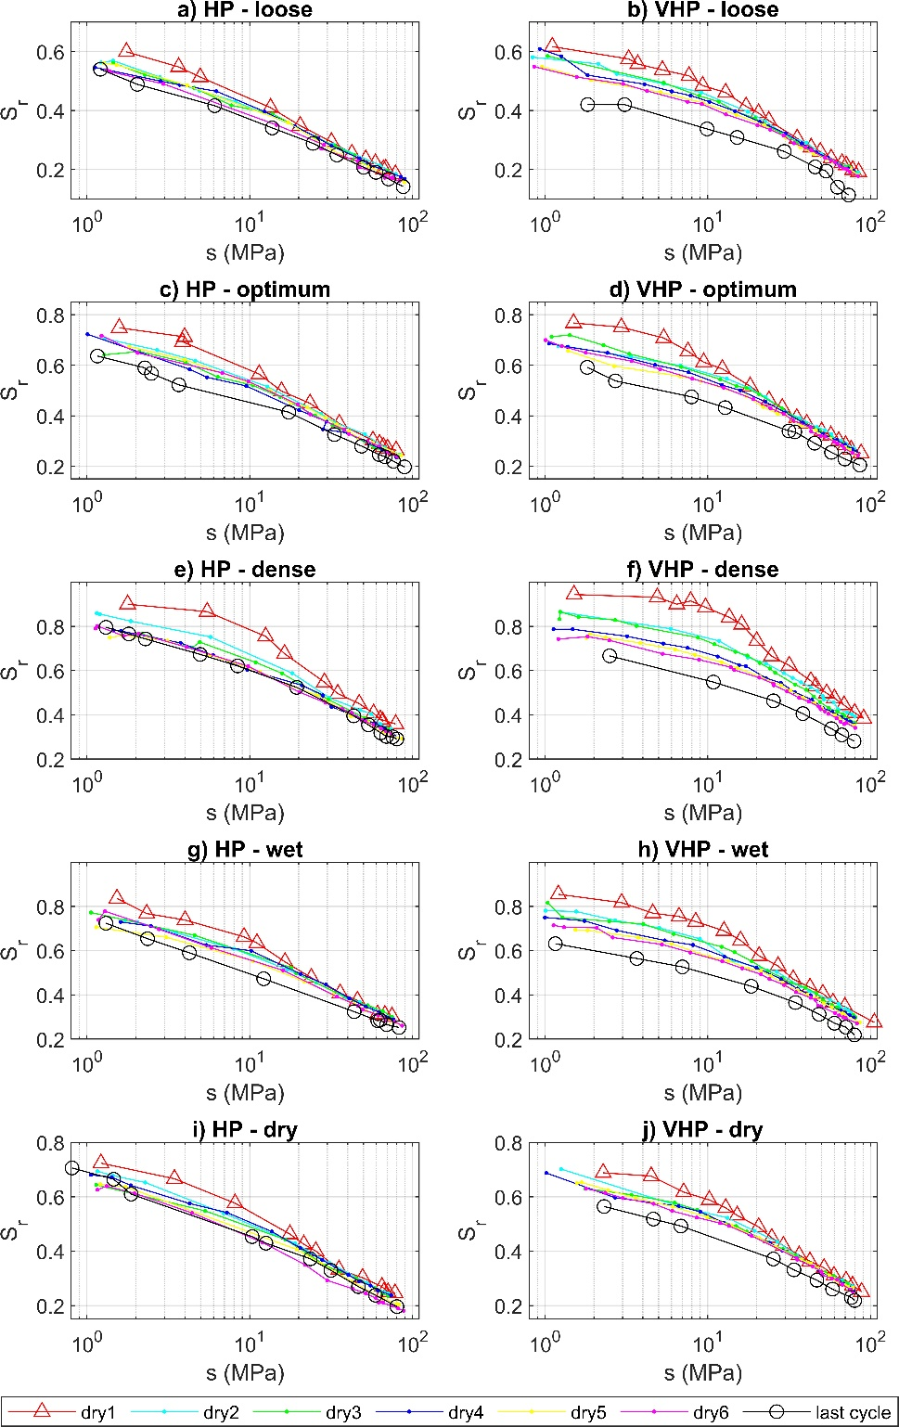
 |  |  |  |  |  |  |  |  |  |  |  |  |  | 77.85 | 0.198585362 |  |  |  |  | 78.99 | 0.194861645 |  |  | 64.44 | 0.21203778 |  |  |  |  |  |  |  |  |  |  |  |  |  |  |  |  | 87.53 | 0.25204484 | 79.25 | 0.272569234 | 80.38 | 0.262181377 |  |  | 74.72 | 0.265928985 | 62.56 | 0.290296196 |  |  |  |  |  |  |  |  |  |  |  |  |  |  |  |  | 90.74 | 0.38351754 | 80.21 | 0.392423004 | 55.42 | 0.430358538 | 75.2 | 0.368884008 | 64.19 | 0.386436654 | 55.15 | 0.404468846 |  |  |  |  |  |  |  |  |  |  |  |  |  |  |  |  |  |  |  |  | 64.11 | 0.337010602 | 79.24 | 0.297785395 | 67.32 | 0.316280652 | 60.46 | 0.317570419 |  |  |  |  |  |  |  |  |  |  |  |  |  |  |  |  |  |  |  |  | 72.06 | 0.280910732 |  |  | 59.53 | 0.297909447 | 67.18 | 0.277022906
 |  |  |  |  |  |  |  |  |  |  |  |  |  | 84.52 | 0.192077459 |  |  |  |  |  |  |  |  | 68.18 | 0.203969371 |  |  |  |  |  |  |  |  |  |  |  |  |  |  |  |  |  |  |  |  |  |  |  |  | 80.8 | 0.24896075 | 66.68 | 0.281934756 |  |  |  |  |  |  |  |  |  |  |  |  |  |  |  |  |  |  |  |  | 62.63 | 0.415043056 | 79.46 | 0.356456152 | 79.71 | 0.35165518 | 61.98 | 0.384831087 |  |  |  |  |  |  |  |  |  |  |  |  |  |  |  |  |  |  |  |  | 70.05 | 0.317995403 |  |  | 68.72 | 0.312922393 | 64.21 | 0.30718184 |  |  |  |  |  |  |  |  |  |  |  |  |  |  |  |  |  |  |  |  |  |  |  |  | 60.93 | 0.295104259 | 75.64 | 0.258805124
 |  |  |  |  |  |  |  |  |  |  |  |  |  |  |  |  |  |  |  |  |  |  |  | 70.58 | 0.203225504 |  |  |  |  |  |  |  |  |  |  |  |  |  |  |  |  |  |  |  |  |  |  |  |  |  |  | 68.86 | 0.271601798 |  |  |  |  |  |  |  |  |  |  |  |  |  |  |  |  |  |  |  |  | 67.74 | 0.4010074 |  |  |  |  | 65.65 | 0.368079072 |  |  |  |  |  |  |  |  |  |  |  |  |  |  |  |  |  |  |  |  | 77.92 | 0.309871477 |  |  | 69.41 | 0.308875462 | 67.97 | 0.29851592 |  |  |  |  |  |  |  |  |  |  |  |  |  |  |  |  |  |  |  |  |  |  |  |  | 62.28 | 0.290257139 | 77.82 | 0.250919576
 |  |  |  |  |  |  |  |  |  |  |  |  |  |  |  |  |  |  |  |  |  |  |  | 74.7 | 0.192583735 |  |  |  |  |  |  |  |  |  |  |  |  |  |  |  |  |  |  |  |  |  |  |  |  |  |  | 77.46 | 0.253569714 |  |  |  |  |  |  |  |  |  |  |  |  |  |  |  |  |  |  |  |  | 69.1 | 0.394930161 |  |  |  |  | 69.06 | 0.358178794 |  |  |  |  |  |  |  |  |  |  |  |  |  |  |  |  |  |  |  |  | 79.15 | 0.30576582 |  |  | 85.94 | 0.276190798 | 70.38 | 0.295094005 |  |  |  |  |  |  |  |  |  |  |  |  |  |  |  |  |  |  |  |  |  |  |  |  | 63.23 | 0.289990154
 |  |  |  |  |  |  |  |  |  |  |  |  |  |  |  |  |  |  |  |  |  |  |  | 72.03 | 0.19916868 |  |  |  |  |  |  |  |  |  |  |  |  |  |  |  |  |  |  |  |  |  |  |  |  |  |  | 83.88 | 0.242980662 |  |  |  |  |  |  |  |  |  |  |  |  |  |  |  |  |  |  |  |  | 80.2 | 0.365022901 |  |  |  |  | 71.2 | 0.363291847 |  |  |  |  |  |  |  |  |  |  |  |  |  |  |  |  |  |  |  |  | 80.66 | 0.298180307 |  |  |  |  | 82.66 | 0.270737672 |  |  |  |  |  |  |  |  |  |  |  |  |  |  |  |  |  |  |  |  |  |  |  |  | 69.77 | 0.27372459
 |  |  |  |  |  |  |  |  |  |  |  |  |  |  |  |  |  |  |  |  |  |  |  | 84.06 | 0.17747727 |  |  |  |  |  |  |  |  |  |  |  |  |  |  |  |  |  |  |  |  |  |  |  |  |  |  |  |  |  |  |  |  |  |  |  |  |  |  |  |  |  |  |  |  |  |  |  |  |  |  |  |  |  |  | 80.47 | 0.341066353 |  |  |  |  |  |  |  |  |  |  |  |  |  |  |  |  |  |  |  |  |  |  |  |  |  |  |  |  |  |  |  |  |  |  |  |  |  |  |  |  |  |  |  |  |  |  |  |  |  |  |  |  | 72.96 | 0.269354669
 |  |  |  |  |  |  |  |  |  |  |  |  |  |  |  |  |  |  |  |  |  |  |  |  |  |  |  |  |  |  |  |  |  |  |  |  |  |  |  |  |  |  |  |  |  |  |  |  |  |  |  |  |  |  |  |  |  |  |  |  |  |  |  |  |  |  |  |  |  |  |  |  |  |  |  |  |  |  |  |  |  |  |  |  |  |  |  |  |  |  |  |  |  |  |  |  |  |  |  |  |  |  |  |  |  |  |  |  |  |  |  |  |  |  |  |  |  |  |  |  |  |  |  |  |  |  |  |  |  |  |  |  |  | 78.04 | 0.264986333

fig 3
a) HP - wet end |  |  |  |  |  | b) VHP - wet end |  |  |  |  |  | c) HP - wet end |  |  |  |  |  | d) VHP - wet end |  |  |  |  |  | e) HP - wet end |  |  |  |  |  | f) VHP - wet end

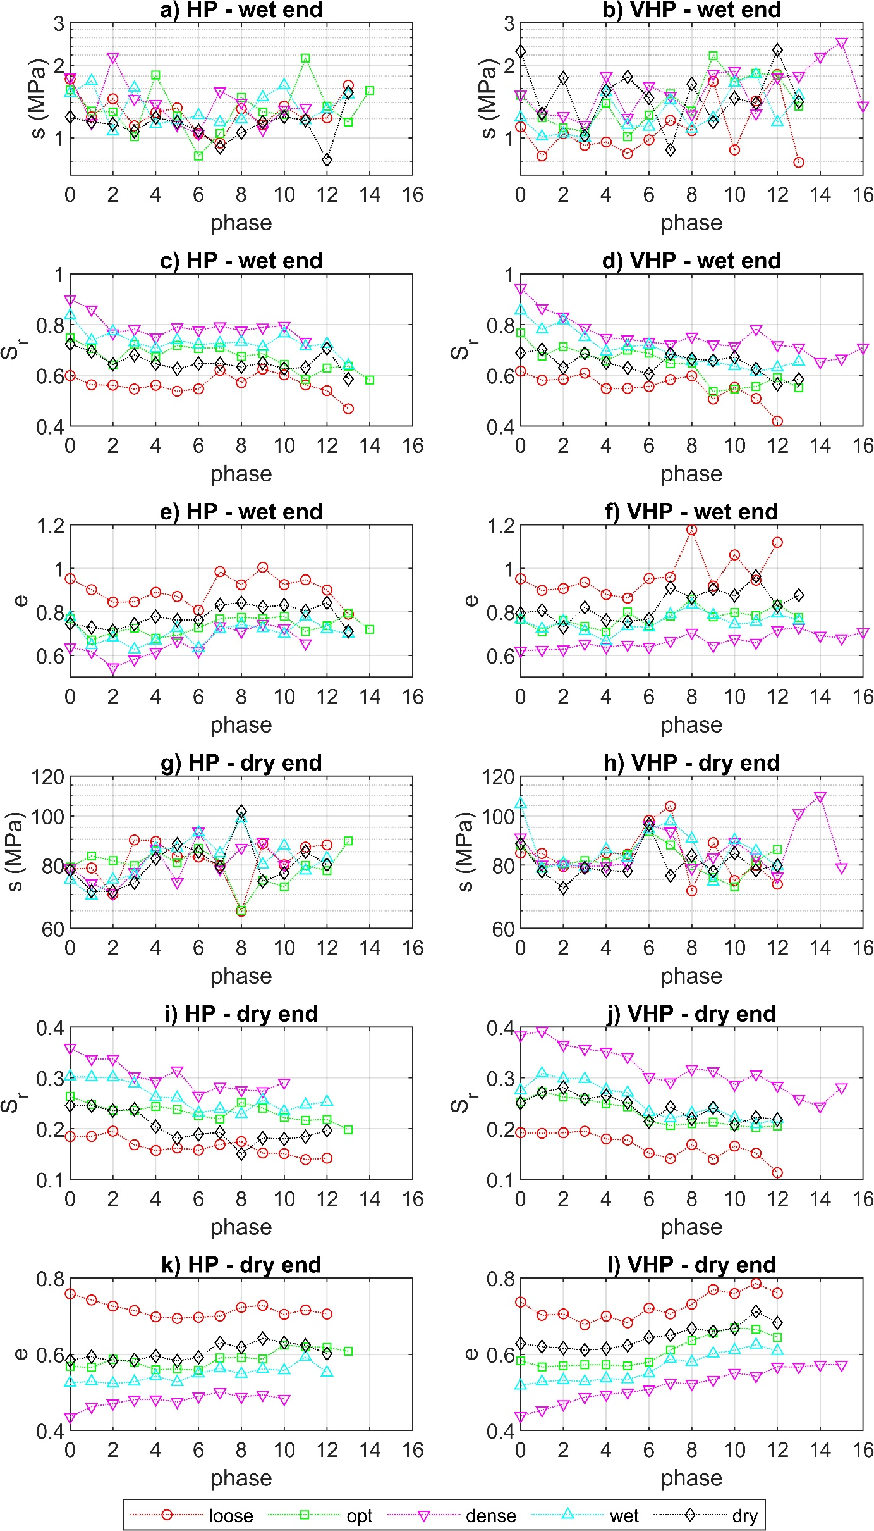
 | loose | opt | dense | wet | dry |  | loose | opt | dense | wet | dry |  | loose | opt | dense | wet | dry |  | loose | opt | dense | wet | dry |  | loose | opt | dense | wet | dry |  | loose | opt | dense | wet | dry
phase | s (MPa) | s (MPa) | s (MPa) | s (MPa) | s (MPa) | phase | s (MPa) | s (MPa) | s (MPa) | s (MPa) | s (MPa) | phase | S_r | S_r | S_r | S_r | S_r | phase | S_r | S_r | S_r | S_r | S_r | phase | e | e | e | e | e | phase | e | e | e | e | e
0 | 1.75 | 1.58 | 1.78 | 1.53 | 1.22 | 0 | 1.11 | 1.5 | 1.51 | 1.21 | 2.28 | 0 | 0.599 | 0.7481 | 0.9002 | 0.8359 | 0.7235 | 0 | 0.6167 | 0.7674 | 0.944 | 0.8547 | 0.6881 | 0 | 0.9526 | 0.7687 | 0.6379 | 0.7749 | 0.7455 | 0 | 0.952 | 0.765 | 0.6218 | 0.7652 | 0.7939
1 | 1.22 | 1.29 | 1.15 | 1.72 | 1.16 | 1 | 0.84 | 1.21 | 1.25 | 1.01 | 1.26 | 1 | 0.5629 | 0.7052 | 0.8599 | 0.7374 | 0.6938 | 1 | 0.5808 | 0.6755 | 0.8649 | 0.7809 | 0.7015 | 1 | 0.9022 | 0.6708 | 0.617 | 0.6463 | 0.7286 | 1 | 0.8989 | 0.7086 | 0.6259 | 0.723 | 0.808
2 | 1.45 | 1.28 | 2.17 | 1.06 | 1.14 | 2 | 1.04 | 1.1 | 1.23 | 1.04 | 1.77 | 2 | 0.5615 | 0.6412 | 0.766 | 0.7723 | 0.6433 | 2 | 0.5846 | 0.7134 | 0.8328 | 0.8161 | 0.6301 | 2 | 0.8447 | 0.7051 | 0.5458 | 0.6821 | 0.7138 | 2 | 0.9075 | 0.7621 | 0.6279 | 0.7571 | 0.7293
3 | 1.12 | 1.01 | 1.45 | 1.61 | 1.06 | 3 | 0.93 | 1.06 | 1.13 | 1 | 1.02 | 3 | 0.5463 | 0.7224 | 0.7819 | 0.7298 | 0.6802 | 3 | 0.6087 | 0.6859 | 0.7868 | 0.7502 | 0.6873 | 3 | 0.8464 | 0.7255 | 0.5821 | 0.6277 | 0.7434 | 3 | 0.9366 | 0.7342 | 0.654 | 0.7118 | 0.8209
4 | 1.27 | 1.82 | 1.38 | 1.14 | 1.21 | 4 | 0.96 | 1.39 | 1.8 | 1.54 | 1.57 | 4 | 0.5611 | 0.6739 | 0.7494 | 0.7058 | 0.6456 | 4 | 0.548 | 0.657 | 0.748 | 0.6941 | 0.6496 | 4 | 0.8901 | 0.6795 | 0.6157 | 0.6671 | 0.7789 | 4 | 0.8797 | 0.7082 | 0.638 | 0.6647 | 0.7614
5 | 1.33 | 1.23 | 1.13 | 1.18 | 1.16 | 5 | 0.86 | 1.01 | 1.21 | 1.13 | 1.79 | 5 | 0.5375 | 0.7173 | 0.7905 | 0.7388 | 0.6257 | 5 | 0.5487 | 0.6996 | 0.7424 | 0.7142 | 0.6297 | 5 | 0.8711 | 0.6928 | 0.6667 | 0.7266 | 0.7621 | 5 | 0.8631 | 0.7996 | 0.6494 | 0.7342 | 0.7555
6 | 1.04 | 0.84 | 1.04 | 1.24 | 1.07 | 6 | 0.98 | 1.24 | 1.64 | 1.11 | 1.46 | 6 | 0.5467 | 0.7061 | 0.7783 | 0.7217 | 0.6462 | 6 | 0.5561 | 0.6872 | 0.7314 | 0.7201 | 0.6047 | 6 | 0.8081 | 0.7271 | 0.6191 | 0.6336 | 0.7628 | 6 | 0.9536 | 0.7337 | 0.6391 | 0.728 | 0.7679
7 | 0.95 | 1.04 | 1.56 | 1.16 | 0.91 | 7 | 1.18 | 1.52 | 1.49 | 1.43 | 0.89 | 7 | 0.6198 | 0.7091 | 0.7936 | 0.7272 | 0.6462 | 7 | 0.5833 | 0.6462 | 0.7223 | 0.6844 | 0.685 | 7 | 0.9849 | 0.7683 | 0.7348 | 0.7211 | 0.8329 | 7 | 0.9594 | 0.7799 | 0.6665 | 0.7885 | 0.9116
8 | 1.32 | 1.47 | 1.4 | 1.19 | 1.05 | 8 | 1.07 | 1.29 | 1.25 | 1.09 | 1.67 | 8 | 0.5712 | 0.6741 | 0.7766 | 0.7316 | 0.6338 | 8 | 0.598 | 0.6483 | 0.7532 | 0.6557 | 0.6647 | 8 | 0.9247 | 0.7754 | 0.7098 | 0.7429 | 0.8423 | 8 | 1.1775 | 0.8595 | 0.7052 | 0.8322 | 0.8653
9 | 1.13 | 1.28 | 1.08 | 1.47 | 1.16 | 9 | 1.71 | 2.19 | 1.84 | 1.21 | 1.16 | 9 | 0.6244 | 0.6854 | 0.7888 | 0.7117 | 0.6481 | 9 | 0.5067 | 0.5369 | 0.7218 | 0.6549 | 0.6584 | 9 | 1.005 | 0.7697 | 0.746 | 0.7245 | 0.8219 | 9 | 0.9192 | 0.7764 | 0.6445 | 0.7862 | 0.9045
10 | 1.35 | 1.25 | 1.31 | 1.65 | 1.22 | 10 | 0.89 | 1.7 | 1.89 | 1.69 | 1.46 | 10 | 0.6018 | 0.6431 | 0.7956 | 0.7648 | 0.6275 | 10 | 0.5528 | 0.5455 | 0.7148 | 0.6367 | 0.6721 | 10 | 0.9255 | 0.7793 | 0.7257 | 0.6983 | 0.8315 | 10 | 1.062 | 0.7975 | 0.6769 | 0.7425 | 0.8748
11 | 1.19 | 2.14 | 1.33 | 1.18 | 1.18 | 11 | 1.42 | 1.85 | 1.26 | 1.83 | 1.39 | 11 | 0.5624 | 0.5841 | 0.7327 | 0.7137 | 0.6306 | 11 | 0.5088 | 0.5559 | 0.7826 | 0.6147 | 0.626 | 11 | 0.9476 | 0.7102 | 0.6561 | 0.7776 | 0.8046 | 11 | 0.9457 | 0.7833 | 0.6588 | 0.7537 | 0.9641
12 | 1.21 | 1.35 |  | 1.31 | 0.81 | 12 | 1.83 | 1.82 | 1.78 | 1.16 | 2.31 | 12 | 0.5398 | 0.6289 |  | 0.7239 | 0.7057 | 12 | 0.4201 | 0.5917 | 0.7191 | 0.6313 | 0.5642 | 12 | 0.9002 | 0.7365 |  | 0.7207 | 0.8417 | 12 | 1.1197 | 0.8334 | 0.7168 | 0.7914 | 0.8259
13 | 1.65 | 1.16 |  | 1.51 | 1.54 | 13 | 0.79 | 1.35 | 1.8 | 1.5 | 1.41 | 13 | 0.4684 | 0.6365 |  | 0.6388 | 0.5852 | 13 |  | 0.5512 | 0.7098 | 0.6544 | 0.5845 | 13 | 0.7894 | 0.7935 |  | 0.6992 | 0.7108 | 13 |  | 0.7748 | 0.7284 | 0.7602 | 0.877
14 |  | 1.57 |  |  |  | 14 |  |  | 2.17 |  |  | 14 |  | 0.5817 |  |  |  | 14 |  |  | 0.6528 |  |  | 14 |  | 0.7201 |  |  |  | 14 |  |  | 0.6912
15 |  |  |  |  |  | 15 |  |  | 2.5 |  |  | 15 |  |  |  |  |  | 15 |  |  | 0.6666 |  |  | 15 |  |  |  |  |  | 15 |  |  | 0.6792
16 |  |  |  |  |  | 16 |  |  | 1.36 |  |  | 16 |  |  |  |  |  | 16 |  |  | 0.7096 |  |  | 16 |  |  |  |  |  | 16 |  |  | 0.7077

g) HP - dry end |  |  |  |  |  | h) VHP - dry end |  |  |  |  |  | i) HP - dry end |  |  |  |  |  | j) VHP - dry end |  |  |  |  |  | k) HP - dry end |  |  |  |  |  | l) VHP - dry end

 | loose | opt | dense | wet | dry |  | loose | opt | dense | wet | dry |  | loose | opt | dense | wet | dry |  | loose | opt | dense | wet | dry |  | loose | opt | dense | wet | dry |  | loose | opt | dense | wet | dry
phase | s (MPa) | s (MPa) | s (MPa) | s (MPa) | s (MPa) | phase | s (MPa) | s (MPa) | s (MPa) | s (MPa) | s (MPa) | phase | S_r | S_r | S_r | S_r | S_r | phase | S_r | S_r | S_r | S_r | S_r | phase | e | e | e | e | e | phase | e | e | e | e | e
0 | 78.52 | 79.34 | 78.86 | 74.82 | 78.17 | 0 | 84.52 | 87.53 | 90.74 | 105.57 | 88.14 | 0 | 0.1844 | 0.2639 | 0.3587 | 0.3027 | 0.2455 | 0 | 0.1921 | 0.252 | 0.3835 | 0.2752 | 0.2505 | 0 | 0.7586 | 0.5685 | 0.4356 | 0.5249 | 0.5842 | 0 | 0.737 | 0.5829 | 0.4382 | 0.5176 | 0.6281
1 | 78.96 | 83.36 | 73.73 | 69.64 | 71.02 | 1 | 84.33 | 79.25 | 80.21 | 78.7 | 77.73 | 1 | 0.1846 | 0.2474 | 0.3372 | 0.3012 | 0.2447 | 1 | 0.1908 | 0.2726 | 0.3924 | 0.3086 | 0.2711 | 1 | 0.7425 | 0.5656 | 0.4624 | 0.5288 | 0.5939 | 1 | 0.7021 | 0.5668 | 0.4532 | 0.5281 | 0.62
2 | 70.09 | 81.63 | 70.44 | 74.89 | 70.96 | 2 | 79.51 | 80.38 | 80.2 | 80.66 | 72.06 | 2 | 0.1949 | 0.236 | 0.3373 | 0.3007 | 0.2354 | 2 | 0.1919 | 0.2622 | 0.365 | 0.2982 | 0.2809 | 2 | 0.7263 | 0.5872 | 0.471 | 0.5231 | 0.5817 | 2 | 0.706 | 0.57 | 0.469 | 0.532 | 0.6161
3 | 89.67 | 79.82 | 77.53 | 76.51 | 73.88 | 3 | 78.99 | 81.62 | 79.46 | 79.24 | 78.98 | 3 | 0.1681 | 0.2358 | 0.3029 | 0.2887 | 0.2381 | 3 | 0.1949 | 0.2581 | 0.3565 | 0.2978 | 0.2581 | 3 | 0.7147 | 0.5788 | 0.4811 | 0.5278 | 0.5849 | 3 | 0.6774 | 0.5722 | 0.4877 | 0.5282 | 0.611
4 | 89.08 | 85.37 | 86.26 | 86.29 | 82.45 | 4 | 84.6 | 80.8 | 79.71 | 85.94 | 78.04 | 4 | 0.1569 | 0.2438 | 0.2933 | 0.262 | 0.2039 | 4 | 0.1796 | 0.249 | 0.3517 | 0.2762 | 0.265 | 4 | 0.6981 | 0.5597 | 0.4819 | 0.5425 | 0.5956 | 4 | 0.6999 | 0.5723 | 0.4943 | 0.5362 | 0.6147
5 | 83.19 | 80.81 | 74.02 | 86.39 | 88.01 | 5 | 84.06 | 83.88 | 80.47 | 82.66 | 77.82 | 5 | 0.1619 | 0.2377 | 0.3148 | 0.2606 | 0.1809 | 5 | 0.1775 | 0.243 | 0.3411 | 0.2707 | 0.2509 | 5 | 0.694 | 0.5611 | 0.4752 | 0.5272 | 0.5825 | 5 | 0.6825 | 0.5696 | 0.4999 | 0.5341 | 0.623
6 | 82.99 | 86.37 | 93.19 | 92.8 | 85.08 | 6 | 97.96 | 93.18 | 95.93 | 94.06 | 96.16 | 6 | 0.1578 | 0.2254 | 0.2651 | 0.2308 | 0.1889 | 6 | 0.152 | 0.2148 | 0.3016 | 0.2327 | 0.214 | 6 | 0.697 | 0.558 | 0.4895 | 0.5494 | 0.5921 | 6 | 0.721 | 0.5794 | 0.508 | 0.55 | 0.6439
7 | 79.83 | 81.74 | 78.52 | 84.32 | 79.33 | 7 | 104.56 | 87.66 | 93.28 | 97.6 | 76.24 | 7 | 0.1688 | 0.2189 | 0.2826 | 0.2387 | 0.1925 | 7 | 0.1408 | 0.2061 | 0.2912 | 0.2199 | 0.2426 | 7 | 0.7003 | 0.5905 | 0.5007 | 0.5634 | 0.6301 | 7 | 0.7058 | 0.6113 | 0.5255 | 0.5873 | 0.6502
8 | 64.83 | 65.13 | 86.53 | 98.81 | 102.09 | 8 | 71.21 | 79.84 | 78.86 | 90.11 | 83.5 | 8 | 0.1745 | 0.2515 | 0.2761 | 0.2285 | 0.1503 | 8 | 0.1686 | 0.2096 | 0.3174 | 0.2303 | 0.2191 | 8 | 0.7231 | 0.5918 | 0.4885 | 0.5488 | 0.6179 | 8 | 0.7313 | 0.6363 | 0.5224 | 0.5796 | 0.6671
9 | 88.13 | 74.68 | 89.01 | 80.22 | 74.31 | 9 | 88.62 | 75.67 | 82.95 | 74.15 | 77.81 | 9 | 0.1519 | 0.2401 | 0.2739 | 0.2566 | 0.1813 | 9 | 0.1396 | 0.2129 | 0.3133 | 0.2405 | 0.2411 | 9 | 0.7282 | 0.5876 | 0.4937 | 0.5616 | 0.6418 | 9 | 0.7697 | 0.6556 | 0.533 | 0.6019 | 0.6599
10 | 80.09 | 72.49 | 80.09 | 87.39 | 77.17 | 10 | 74.57 | 72.47 | 89 | 89.64 | 84.48 | 10 | 0.1509 | 0.2218 | 0.2907 | 0.2337 | 0.1796 | 10 | 0.1656 | 0.206 | 0.2867 | 0.2214 | 0.2077 | 10 | 0.7047 | 0.6239 | 0.4833 | 0.5576 | 0.6305 | 10 | 0.7591 | 0.6692 | 0.5515 | 0.6107 | 0.6673
11 | 86.83 | 79.9 | 0.6561 | 78 | 85.03 | 11 | 79.89 | 81.6 | 83.19 | 85.33 | 78.14 | 11 | 0.139 | 0.2163 |  | 0.2469 | 0.1837 | 11 | 0.1517 | 0.2022 | 0.307 | 0.2085 | 0.2222 | 11 | 0.7163 | 0.6193 |  | 0.5933 | 0.6237 | 11 | 0.7855 | 0.6653 | 0.5428 | 0.6252 | 0.7123
12 | 87.65 | 77.98 |  | 82.59 | 80.18 | 12 | 73.34 | 85.93 | 76 | 79.67 | 79.9 | 12 | 0.1418 | 0.2179 |  | 0.2526 | 0.1963 | 12 | 0.1133 | 0.2052 | 0.2845 | 0.2189 | 0.2183 | 12 | 0.7056 | 0.6181 |  | 0.5519 | 0.6018 | 12 | 0.7605 | 0.6444 | 0.5673 | 0.6088 | 0.6824
13 | 0.7894 | 89.27 |  | 0.6992 | 0.7108 | 13 |  |  | 101.28 |  |  | 13 |  | 0.198 |  |  |  | 13 |  |  | 0.258 |  |  | 13 |  | 0.608 |  |  |  | 13 |  |  | 0.5667
14 |  | 0.7201 |  |  |  | 14 |  |  | 109.55 |  |  | 14 |  |  |  |  |  | 14 |  |  | 0.2439 |  |  | 14 |  |  |  |  |  | 14 |  |  | 0.5725
15 |  |  |  |  |  | 15 |  |  | 79.26 |  |  | 15 |  |  |  |  |  | 15 |  |  | 0.2813 |  |  | 15 |  |  |  |  |  | 15 |  |  | 0.5726
16 |  |  |  |  |  | 16 |  |  |  |  |  | 16 |  |  |  |  |  | 16 |  |  |  |  |  | 16 |  |  |  |  |  | 16

fig 5
1st dry |  | 1st wet |  | 2nd dry |  | 1st dry:S_r=S_r,i |  | 1st dry:tan |  | 1st dry:YP |  | 2nd dry:S_r=S_r,i |  | 2nd dry:tan |  | 2nd dry:YP
s (MPa) | S_r | s (MPa) | S_r | s (MPa) | S_r | s (MPa) | S_r | s (MPa) | S_r | s (MPa) | S_r | s (MPa) | S_r | s (MPa) | S_r | s (MPa) | S_r
1.5 | 0.767412773 | 87.53 | 0.252 | 1.21 | 0.6755 | 1 | 0.7674 | 0.8457 | 1 | 0.8457 | 1 | 1 | 0.6755 | 0.786 | 1 | 0.786 | 1
2.95 | 0.750544334 | 59.35 | 0.2754 | 1.39 | 0.6735 | 3.5577 | 0.7674 | 100 | 0.2274 | 3.5577 | 0.7674 | 6.1433 | 0.6755 | 100 | 0.2352 | 6.1433 | 0.6755
5.37 | 0.707975034 | 47.62 | 0.2965 | 3.38 | 0.6329
7.57 | 0.655315291 | 33.77 | 0.3406 | 6.8 | 0.5984
9.45 | 0.612348237 | 30.74 | 0.3529 | 13.09 | 0.5473
12.3 | 0.585701028 | 26.19 | 0.385 | 18.1 | 0.51
18.23 | 0.517064923 | 18.77 | 0.4141 | 22.71 | 0.4745
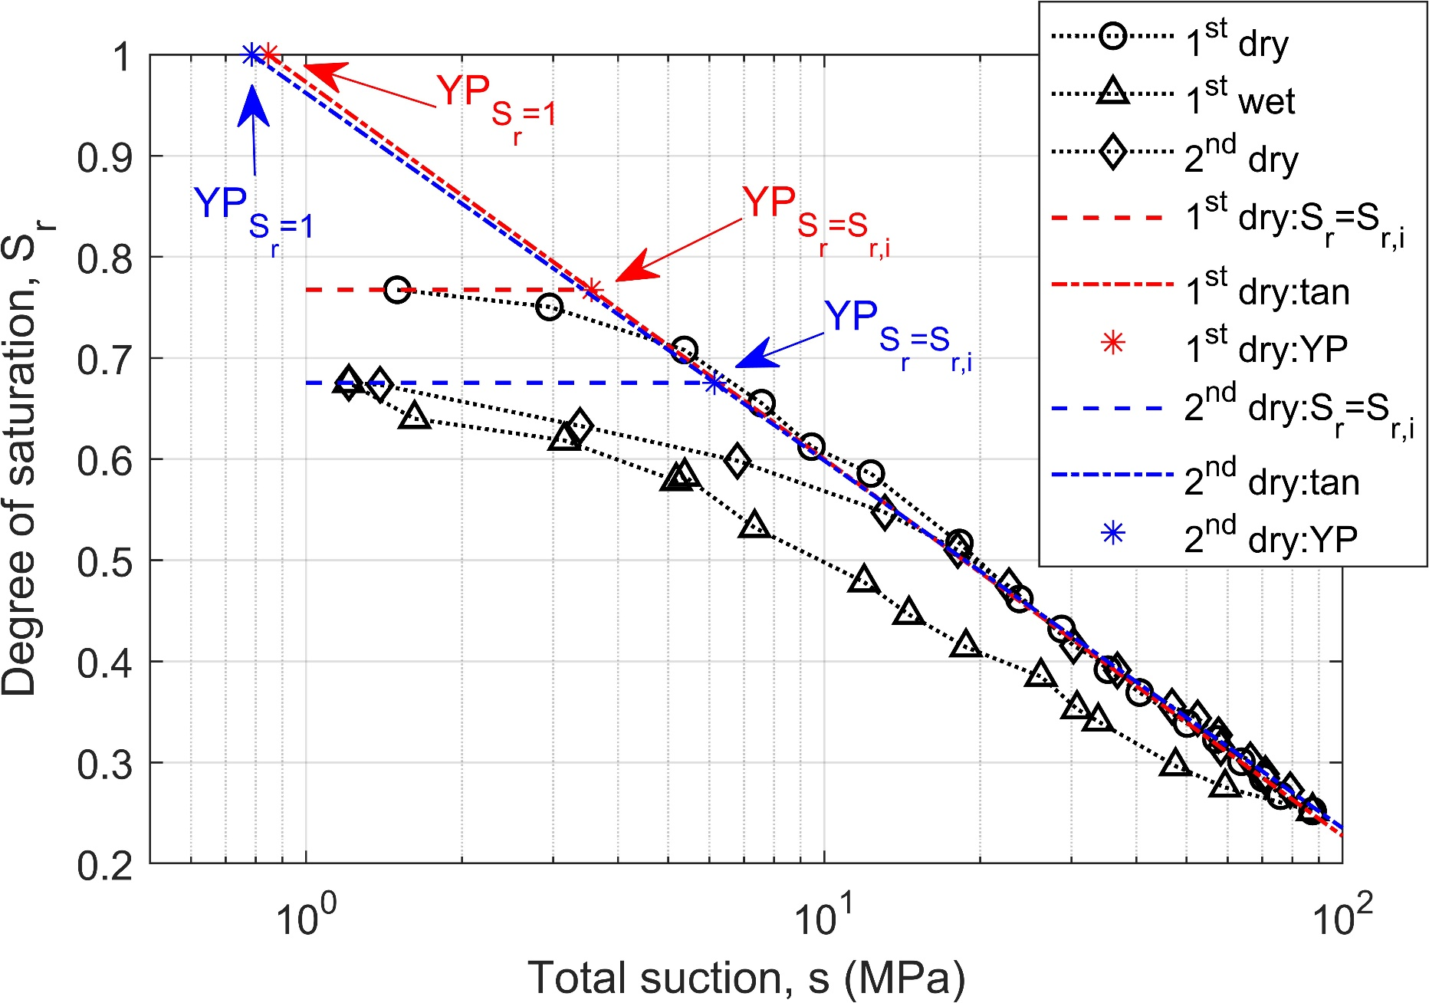
23.8 | 0.461771085 | 14.57 | 0.4463 | 30.25 | 0.4156
28.71 | 0.43207907 | 11.94 | 0.4783 | 36.77 | 0.3911
35.25 | 0.3918251 | 7.34 | 0.5322 | 46.89 | 0.3553
40.61 | 0.36923317 | 5.38 | 0.583 | 52.54 | 0.3437
50.14 | 0.338523073 | 5.18 | 0.5784 | 57.63 | 0.3271
57.09 | 0.32291909 | 3.15 | 0.6185 | 58.22 | 0.3149
63.81 | 0.300800622 | 1.62 | 0.6399 | 66.38 | 0.3022
70.31 | 0.284637044 | 1.21 | 0.6755 | 70.94 | 0.2889
75.93 | 0.26716301 |  |  | 71.15 | 0.2845
87.53 | 0.25204484 |  |  | 79.25 | 0.2726

fig 6
a) HP |  |  |  |  |  | b) VHP

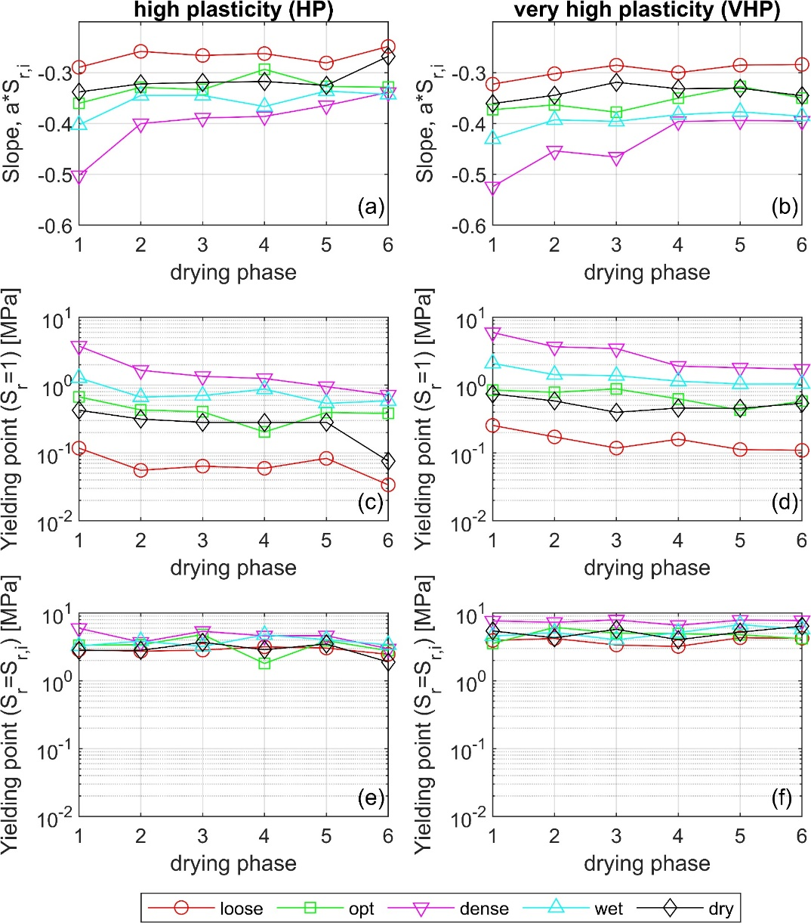
 | loose | opt | dense | wet | dry |  | loose | opt | dense | wet | dry
drying phase | slope, a*S_r,i | slope, a*S_r,i | slope, a*S_r,i | slope, a*S_r,i | slope, a*S_r,i | drying phase | slope, a*S_r,i | slope, a*S_r,i | slope, a*S_r,i | slope, a*S_r,i | slope, a*S_r,i
1 | -0.2895 | -0.3603 | -0.5022 | -0.4027 | -0.3379 | 1 | -0.3225 | -0.3728 | -0.5243 | -0.4304 | -0.3608
2 | -0.2582 | -0.3288 | -0.4002 | -0.3448 | -0.322 | 2 | -0.302 | -0.3634 | -0.4539 | -0.3928 | -0.3445
3 | -0.2662 | -0.3334 | -0.3891 | -0.3448 | -0.3193 | 3 | -0.2853 | -0.3777 | -0.4659 | -0.3958 | -0.3189
4 | -0.2625 | -0.2935 | -0.3861 | -0.3666 | -0.3173 | 4 | -0.3 | -0.3501 | -0.396 | -0.3826 | -0.3317
5 | -0.2808 | -0.3273 | -0.3646 | -0.3361 | -0.325 | 5 | -0.2851 | -0.3273 | -0.3942 | -0.3771 | -0.3306
6 | -0.2484 | -0.3283 | -0.3387 | -0.3427 | -0.2678 | 6 | -0.2839 | -0.3499 | -0.3953 | -0.3856 | -0.3452

c) HP |  |  |  |  |  | d) VHP

 | loose | opt | dense | wet | dry |  | loose | opt | dense | wet | dry
drying phase | Yielding point (Sr=1) | Yielding point (Sr=1) | Yielding point (Sr=1) | Yielding point (Sr=1) | Yielding point (Sr=1) | drying phase | Yielding point (Sr=1) | Yielding point (Sr=1) | Yielding point (Sr=1) | Yielding point (Sr=1) | Yielding point (Sr=1)
1 | 0.11769733214 | 0.67086011329 | 3.768026985 | 1.276410747 | 0.42626892116 | 1 | 0.25482797919 | 0.84569187948 | 5.9719281245 | 2.0944793221 | 0.74367678838
2 | 0.055380932582 | 0.43083895352 | 1.6577721566 | 0.6669794395 | 0.31564957638 | 2 | 0.17240491342 | 0.78597383959 | 3.6795269971 | 1.4259822719 | 0.58427901446
3 | 0.063838667454 | 0.40345298015 | 1.3474266001 | 0.70204335051 | 0.28220251483 | 3 | 0.11798404139 | 0.87877330896 | 3.4637831976 | 1.3795625617 | 0.39762334037
4 | 0.059370957024 | 0.20411311753 | 1.2533492205 | 0.87185282092 | 0.2816001527 | 4 | 0.15950500104 | 0.62716655993 | 1.9079708353 | 1.1440898118 | 0.4597905346
5 | 0.083199509281 | 0.39421297176 | 0.95068565821 | 0.5391545161 | 0.28351069253 | 5 | 0.11226194713 | 0.42814573645 | 1.8034963363 | 1.0395369689 | 0.45455474672
6 | 0.033821609853 | 0.38302087981 | 0.71647908014 | 0.58592484637 | 0.075663854996 | 6 | 0.10917803187 | 0.57932404995 | 1.7236198821 | 1.0437555107 | 0.54094100379

e) HP |  |  |  |  |  | f) VHP

 | loose | opt | dense | wet | dry |  | loose | opt | dense | wet | dry
drying phase | Yielding point (Sr=Sr,i) | Yielding point (Sr=Sr,i) | Yielding point (Sr=Sr,i) | Yielding point (Sr=Sr,i) | Yielding point (Sr=Sr,i) | drying phase | Yielding point (Sr=Sr,i) | Yielding point (Sr=Sr,i) | Yielding point (Sr=Sr,i) | Yielding point (Sr=Sr,i) | Yielding point (Sr=Sr,i)
1 | 2.8571850393 | 3.3560039001 | 5.9543696817 | 3.261702671 | 2.8053487996 | 1 | 3.9359346985 | 3.5577397622 | 7.6356187852 | 4.5579365447 | 5.4449465356
2 | 2.7314930662 | 3.3951857219 | 3.7118081925 | 3.8522626144 | 2.8205952521 | 2 | 4.2125560273 | 6.1433152509 | 7.302908345 | 5.1511747524 | 4.2962515711
3 | 2.8334011779 | 4.8104308825 | 5.3821178992 | 3.2124724168 | 3.6951238812 | 3 | 3.3722483175 | 5.0430670039 | 7.9132426126 | 4.0206276841 | 5.7462603937
4 | 3.1770019186 | 1.8026273333 | 4.6021757804 | 4.7600408707 | 2.8666026339 | 4 | 3.2123699822 | 4.9481189628 | 6.592993432 | 5.1448018826 | 4.0299279452
5 | 3.0420948086 | 3.9094202746 | 4.6276501771 | 4.0451528288 | 3.4899400915 | 5 | 4.3187265601 | 4.7833433017 | 7.8616700902 | 6.7308770339 | 5.2185289187
6 | 2.4609583866 | 2.7816497541 | 2.9768238924 | 3.3886911347 | 1.8897752632 | 6 | 4.2422329156 | 4.1837886586 | 7.7301147969 | 5.7495343041 | 6.3948435209

fig 7
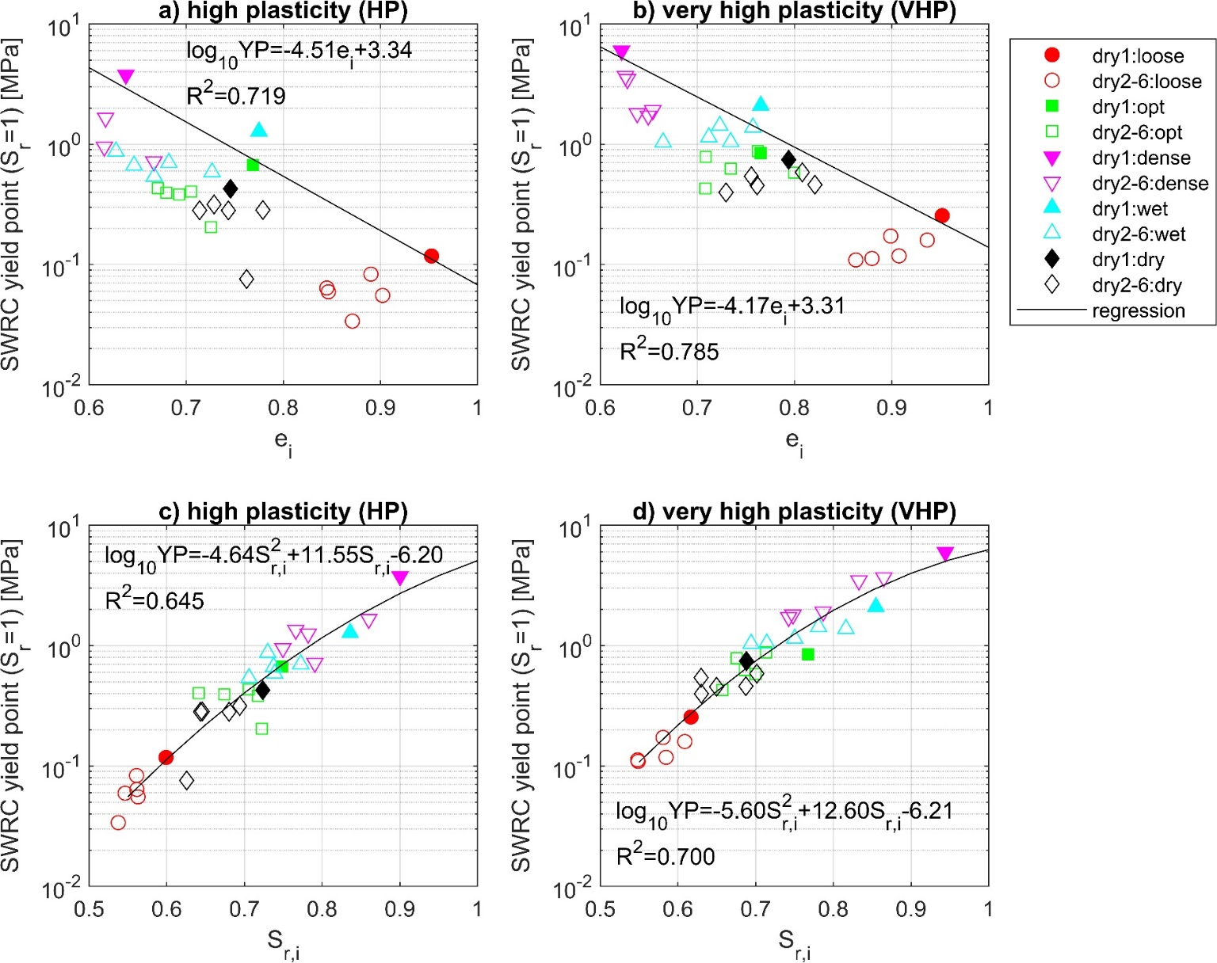
a) HP |  |  |  |  |  |  |  |  |  |  |  |  |  |  |  |  |  |  |  |  | b) VHP

 | dry1: loose |  | dry2-6: loose |  | dry1: opt |  | dry2-6: opt |  | dry1: dense |  | dry2-6: dense |  | dry1: wet |  | dry2-6: wet |  | dry1: dry |  | dry2-6: dry |  |  | dry1: loose |  | dry2-6: loose |  | dry1: opt |  | dry2-6: opt |  | dry1: dense |  | dry2-6: dense |  | dry1: wet |  | dry2-6: wet |  | dry1: dry |  | dry2-6: dry
 | e_i | YP S_r=1 (MPa) | e_i | YP S_r=1 (MPa) | e_i | YP S_r=1 (MPa) | e_i | YP S_r=1 (MPa) | e_i | YP S_r=1 (MPa) | e_i | YP S_r=1 (MPa) | e_i | YP S_r=1 (MPa) | e_i | YP S_r=1 (MPa) | e_i | YP S_r=1 (MPa) | e_i | YP S_r=1 (MPa) |  | e_i | YP S_r=1 (MPa) | e_i | YP S_r=1 (MPa) | e_i | YP S_r=1 (MPa) | e_i | YP S_r=1 (MPa) | e_i | YP S_r=1 (MPa) | e_i | YP S_r=1 (MPa) | e_i | YP S_r=1 (MPa) | e_i | YP S_r=1 (MPa) | e_i | YP S_r=1 (MPa) | e_i | YP S_r=1 (MPa)
 | 0.9526 | 0.1177 | 0.9022 | 0.0554 | 0.7687 | 0.6709 | 0.6708 | 0.4308 | 0.6379 | 3.768 | 0.617 | 1.6578 | 0.7749 | 1.2764 | 0.6463 | 0.667 | 0.7455 | 0.4263 | 0.7286 | 0.3156 |  | 0.952 | 0.2548 | 0.8989 | 0.1724 | 0.765 | 0.8457 | 0.7086 | 0.786 | 0.6218 | 5.9719 | 0.6259 | 3.6795 | 0.7652 | 2.0945 | 0.723 | 1.426 | 0.7939 | 0.7437 | 0.808 | 0.5843
 |  |  | 0.8447 | 0.0638 |  |  | 0.7051 | 0.4035 |  |  | 0.5458 | 1.3474 |  |  | 0.6821 | 0.702 |  |  | 0.7138 | 0.2822 |  |  |  | 0.9075 | 0.118 |  |  | 0.7621 | 0.8788 |  |  | 0.6279 | 3.4638 |  |  | 0.7571 | 1.3796 |  |  | 0.7293 | 0.3976
 |  |  | 0.8464 | 0.0594 |  |  | 0.7255 | 0.2041 |  |  | 0.5821 | 1.2533 |  |  | 0.6277 | 0.8719 |  |  | 0.7434 | 0.2816 |  |  |  | 0.9366 | 0.1595 |  |  | 0.7342 | 0.6272 |  |  | 0.654 | 1.908 |  |  | 0.7118 | 1.1441 |  |  | 0.8209 | 0.4598
 |  |  | 0.8901 | 0.0832 |  |  | 0.6795 | 0.3942 |  |  | 0.6157 | 0.9507 |  |  | 0.6671 | 0.5392 |  |  | 0.7789 | 0.2835 |  |  |  | 0.8797 | 0.1123 |  |  | 0.7082 | 0.4281 |  |  | 0.638 | 1.8035 |  |  | 0.6647 | 1.0395 |  |  | 0.7614 | 0.4546
 |  |  | 0.8711 | 0.0338 |  |  | 0.6928 | 0.383 |  |  | 0.6667 | 0.7165 |  |  | 0.7266 | 0.5859 |  |  | 0.7621 | 0.0757 |  |  |  | 0.8631 | 0.1092 |  |  | 0.7996 | 0.5793 |  |  | 0.6494 | 1.7236 |  |  | 0.7342 | 1.0438 |  |  | 0.7555 | 0.5409

c) HP |  |  |  |  |  |  |  |  |  |  |  |  |  |  |  |  |  |  |  |  | d) VHP

 | dry1: loose |  | dry2-6: loose |  | dry1: opt |  | dry2-6: opt |  | dry1: dense |  | dry2-6: dense |  | dry1: wet |  | dry2-6: wet |  | dry1: dry |  | dry2-6: dry |  |  | dry1: loose |  | dry2-6: loose |  | dry1: opt |  | dry2-6: opt |  | dry1: dense |  | dry2-6: dense |  | dry1: wet |  | dry2-6: wet |  | dry1: dry |  | dry2-6: dry
 | S_r,i | YP S_r=1 (MPa) | S_r,i | YP S_r=1 (MPa) | S_r,i | YP S_r=1 (MPa) | S_r,i | YP S_r=1 (MPa) | S_r,i | YP S_r=1 (MPa) | S_r,i | YP S_r=1 (MPa) | S_r,i | YP S_r=1 (MPa) | S_r,i | YP S_r=1 (MPa) | S_r,i | YP S_r=1 (MPa) | S_r,i | YP S_r=1 (MPa) |  | S_r,i | YP S_r=1 (MPa) | S_r,i | YP S_r=1 (MPa) | S_r,i | YP S_r=1 (MPa) | S_r,i | YP S_r=1 (MPa) | S_r,i | YP S_r=1 (MPa) | S_r,i | YP S_r=1 (MPa) | S_r,i | YP S_r=1 (MPa) | S_r,i | YP S_r=1 (MPa) | S_r,i | YP S_r=1 (MPa) | S_r,i | YP S_r=1 (MPa)
 | 0.599 | 0.1177 | 0.5629 | 0.0554 | 0.7481 | 0.6709 | 0.7052 | 0.4308 | 0.9002 | 3.768 | 0.8599 | 1.6578 | 0.8359 | 1.2764 | 0.7374 | 0.667 | 0.7235 | 0.4263 | 0.6938 | 0.3156 |  | 0.6167 | 0.2548 | 0.5808 | 0.1724 | 0.7674 | 0.8457 | 0.6755 | 0.786 | 0.944 | 5.9719 | 0.8649 | 3.6795 | 0.8547 | 2.0945 | 0.7809 | 1.426 | 0.6881 | 0.7437 | 0.7015 | 0.5843
 |  |  | 0.5615 | 0.0638 |  |  | 0.6412 | 0.4035 |  |  | 0.766 | 1.3474 |  |  | 0.7723 | 0.702 |  |  | 0.6433 | 0.2822 |  |  |  | 0.5846 | 0.118 |  |  | 0.7134 | 0.8788 |  |  | 0.8328 | 3.4638 |  |  | 0.8161 | 1.3796 |  |  | 0.6301 | 0.3976
 |  |  | 0.5463 | 0.0594 |  |  | 0.7224 | 0.2041 |  |  | 0.7819 | 1.2533 |  |  | 0.7298 | 0.8719 |  |  | 0.6802 | 0.2816 |  |  |  | 0.6087 | 0.1595 |  |  | 0.6859 | 0.6272 |  |  | 0.7868 | 1.908 |  |  | 0.7502 | 1.1441 |  |  | 0.6873 | 0.4598
 |  |  | 0.5611 | 0.0832 |  |  | 0.6739 | 0.3942 |  |  | 0.7494 | 0.9507 |  |  | 0.7058 | 0.5392 |  |  | 0.6456 | 0.2835 |  |  |  | 0.548 | 0.1123 |  |  | 0.657 | 0.4281 |  |  | 0.748 | 1.8035 |  |  | 0.6941 | 1.0395 |  |  | 0.6496 | 0.4546
 |  |  | 0.5375 | 0.0338 |  |  | 0.7173 | 0.383 |  |  | 0.7905 | 0.7165 |  |  | 0.7388 | 0.5859 |  |  | 0.6257 | 0.0757 |  |  |  | 0.5487 | 0.1092 |  |  | 0.6996 | 0.5793 |  |  | 0.7424 | 1.7236 |  |  | 0.7142 | 1.0438 |  |  | 0.6297 | 0.5409

fig 8
a) HP
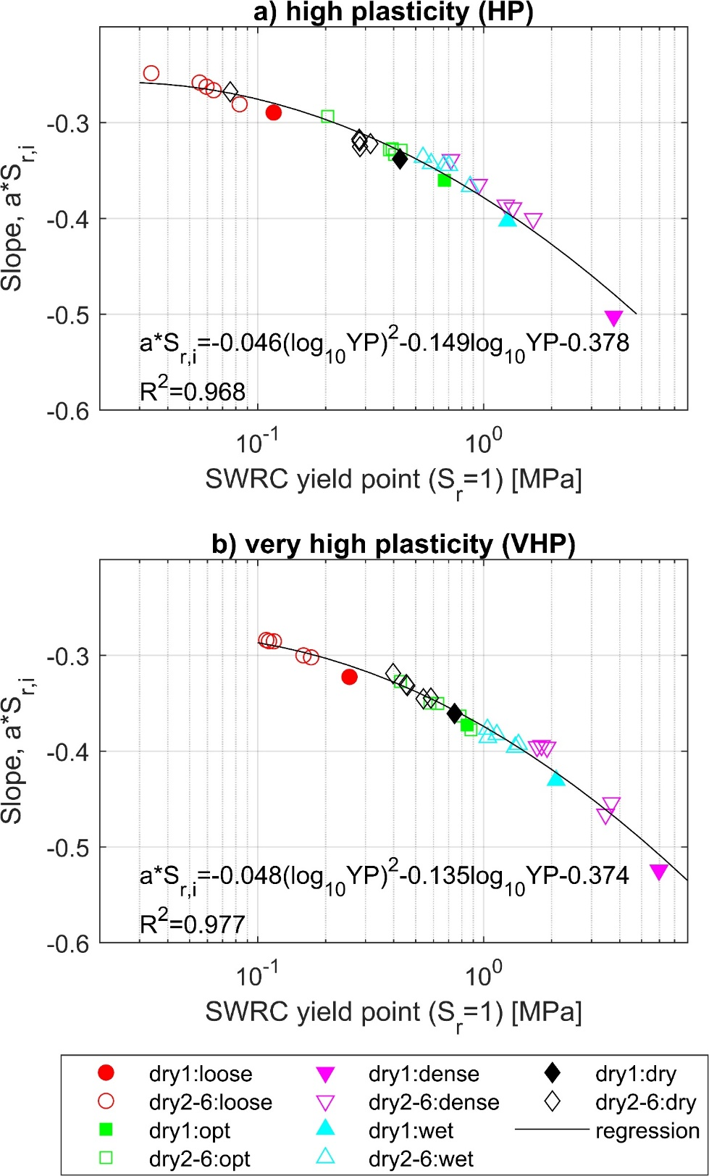
 | dry1: loose |  | dry2-6: loose |  | dry1: opt |  | dry2-6: opt |  | dry1: dense |  | dry2-6: dense |  | dry1: wet |  | dry2-6: wet |  | dry1: dry |  | dry2-6: dry
 | YP S_r=1 (MPa) | slope, a*S_r,i | YP S_r=1 (MPa) | slope, a*S_r,i | YP S_r=1 (MPa) | slope, a*S_r,i | YP S_r=1 (MPa) | slope, a*S_r,i | YP S_r=1 (MPa) | slope, a*S_r,i | YP S_r=1 (MPa) | slope, a*S_r,i | YP S_r=1 (MPa) | slope, a*S_r,i | YP S_r=1 (MPa) | slope, a*S_r,i | YP S_r=1 (MPa) | slope, a*S_r,i | YP S_r=1 (MPa) | slope, a*S_r,i
 | 0.1177 | -0.2895 | 0.0554 | -0.2582 | 0.6709 | -0.3603 | 0.4308 | -0.3288 | 3.768 | -0.5022 | 1.6578 | -0.4002 | 1.2764 | -0.4027 | 0.667 | -0.3448 | 0.4263 | -0.3379 | 0.3156 | -0.322
 |  |  | 0.0638 | -0.2662 |  |  | 0.4035 | -0.3334 |  |  | 1.3474 | -0.3891 |  |  | 0.702 | -0.3448 |  |  | 0.2822 | -0.3193
 |  |  | 0.0594 | -0.2625 |  |  | 0.2041 | -0.2935 |  |  | 1.2533 | -0.3861 |  |  | 0.8719 | -0.3666 |  |  | 0.2816 | -0.3173
 |  |  | 0.0832 | -0.2808 |  |  | 0.3942 | -0.3273 |  |  | 0.9507 | -0.3646 |  |  | 0.5392 | -0.3361 |  |  | 0.2835 | -0.325
 |  |  | 0.0338 | -0.2484 |  |  | 0.383 | -0.3283 |  |  | 0.7165 | -0.3387 |  |  | 0.5859 | -0.3427 |  |  | 0.0757 | -0.2678

b) VHP

 | dry1: loose |  | dry2-6: loose |  | dry1: opt |  | dry2-6: opt |  | dry1: dense |  | dry2-6: dense |  | dry1: wet |  | dry2-6: wet |  | dry1: dry |  | dry2-6: dry
 | YP S_r=1 (MPa) | slope, a*S_r,i | YP S_r=1 (MPa) | slope, a*S_r,i | YP S_r=1 (MPa) | slope, a*S_r,i | YP S_r=1 (MPa) | slope, a*S_r,i | YP S_r=1 (MPa) | slope, a*S_r,i | YP S_r=1 (MPa) | slope, a*S_r,i | YP S_r=1 (MPa) | slope, a*S_r,i | YP S_r=1 (MPa) | slope, a*S_r,i | YP S_r=1 (MPa) | slope, a*S_r,i | YP S_r=1 (MPa) | slope, a*S_r,i
 | 0.2548 | -0.3225 | 0.1724 | -0.302 | 0.8457 | -0.3728 | 0.786 | -0.3634 | 5.9719 | -0.5243 | 3.6795 | -0.4539 | 2.0945 | -0.4304 | 1.426 | -0.3928 | 0.7437 | -0.3608 | 0.5843 | -0.3445
 |  |  | 0.118 | -0.2853 |  |  | 0.8788 | -0.3777 |  |  | 3.4638 | -0.4659 |  |  | 1.3796 | -0.3958 |  |  | 0.3976 | -0.3189
 |  |  | 0.1595 | -0.3 |  |  | 0.6272 | -0.3501 |  |  | 1.908 | -0.396 |  |  | 1.1441 | -0.3826 |  |  | 0.4598 | -0.3317
 |  |  | 0.1123 | -0.2851 |  |  | 0.4281 | -0.3273 |  |  | 1.8035 | -0.3942 |  |  | 1.0395 | -0.3771 |  |  | 0.4546 | -0.3306
 |  |  | 0.1092 | -0.2839 |  |  | 0.5793 | -0.3499 |  |  | 1.7236 | -0.3953 |  |  | 1.0438 | -0.3856 |  |  | 0.5409 | -0.3452

fig 9
a) HP - loose |  |  |  |  |  |  |  |  |  |  | b) VHP - loose |  |  |  |  |  |  |  |  |  |  | c) HP - optimum |  |  |  |  |  |  |  |  |  |  | d) VHP - optimum |  |  |  |  |  |  |  |  |  |  | e) HP - dense |  |  |  |  |  |  |  |  |  |  | f) VHP - dense |  |  |  |  |  |  |  |  |  |  | g) HP - wet |  |  |  |  |  |  |  |  |  |  | h) VHP - wet |  |  |  |  |  |  |  |  |  |  | i) HP - dry |  |  |  |  |  |  |  |  |  |  | j) VHP - dry

 | dry 1 |  | dry 2 |  | last dry |  | bi-linear |  | van Gen |  |  | dry 1 |  | dry 2 |  | last dry |  | bi-linear |  | van Gen |  |  | dry 1 |  | dry 2 |  | last dry |  | bi-linear |  | van Gen |  |  | dry 1 |  | dry 2 |  | last dry |  | bi-linear |  | van Gen |  |  | dry 1 |  | dry 2 |  | last dry |  | bi-linear |  | van Gen |  |  | dry 1 |  | dry 2 |  | last dry |  | bi-linear |  | van Gen |  |  | dry 1 |  | dry 2 |  | last dry |  | bi-linear |  | van Gen |  |  | dry 1 |  | dry 2 |  | last dry |  | bi-linear |  | van Gen |  |  | dry 1 |  | dry 2 |  | last dry |  | bi-linear |  | van Gen |  |  | dry 1 |  | dry 2 |  | last dry |  | bi-linear |  | van Gen
 | s (MPa) | S_r | s (MPa) | S_r | s (MPa) | S_r | s (MPa) | S_r | s (MPa) | S_r |  | s (MPa) | S_r | s (MPa) | S_r | s (MPa) | S_r | s (MPa) | S_r | s (MPa) | S_r |  | s (MPa) | S_r | s (MPa) | S_r | s (MPa) | S_r | s (MPa) | S_r | s (MPa) | S_r |  | s (MPa) | S_r | s (MPa) | S_r | s (MPa) | S_r | s (MPa) | S_r | s (MPa) | S_r |  | s (MPa) | S_r | s (MPa) | S_r | s (MPa) | S_r | s (MPa) | S_r | s (MPa) | S_r |  | s (MPa) | S_r | s (MPa) | S_r | s (MPa) | S_r | s (MPa) | S_r | s (MPa) | S_r |  | s (MPa) | S_r | s (MPa) | S_r | s (MPa) | S_r | s (MPa) | S_r | s (MPa) | S_r |  | s (MPa) | S_r | s (MPa) | S_r | s (MPa) | S_r | s (MPa) | S_r | s (MPa) | S_r |  | s (MPa) | S_r | s (MPa) | S_r | s (MPa) | S_r | s (MPa) | S_r | s (MPa) | S_r |  | s (MPa) | S_r | s (MPa) | S_r | s (MPa) | S_r | s (MPa) | S_r | s (MPa) | S_r
 | 1.75 | 0.599 | 1.22 | 0.5629 | 1.21 | 0.5398 | 1.21 | 0.5398 | 1.21 | 0.5185 |  | 1.11 | 0.6167 | 0.84 | 0.5808 | 1.83 | 0.4201 |  |  |  |  |  | 1.58 | 0.7481 | 1.29 | 0.7052 | 1.16 | 0.6365 | 1.16 | 0.6365 | 1.16 | 0.6057 |  | 1.5 | 0.7674 | 1.21 | 0.6755 | 1.82 | 0.5917 | 1.82 | 0.5917 | 1.82 | 0.5646 |  | 1.78 | 0.9002 | 1.15 | 0.8599 | 1.31 | 0.7956 | 1.31 | 0.7956 | 1.31 | 0.7708 |  | 1.51 | 0.944 | 1.25 | 0.8649 | 2.5 | 0.6666 | 2.5 | 0.6666 | 2.5 | 0.6364 |  | 1.53 | 0.8359 | 1.72 | 0.7374 | 1.31 | 0.7239 | 1.31 | 0.7239 | 1.31 | 0.6909 |  | 1.21 | 0.8547 | 1.01 | 0.7809 | 1.16 | 0.6313 | 1.16 | 0.6313 | 1.16 | 0.6104 |  | 1.22 | 0.7235 | 1.16 | 0.6938 | 0.81 | 0.7057 | 0.81 | 0.7057 | 0.81 | 0.6857 |  | 2.28 | 0.6881 | 1.26 | 0.7015 | 2.31 | 0.5642 | 2.31 | 0.5642 | 2.31 | 0.5236
 | 3.66 | 0.5478 | 1.45 | 0.5688 | 2.04 | 0.4888 | 2.7248 | 0.5398 | 1.3576 | 0.5161 |  | 3.27 | 0.5748 | 2.13 | 0.558 | 3.09 | 0.4199 |  |  |  |  |  | 3.98 | 0.7124 | 2.7 | 0.6601 | 2.27 | 0.5898 | 3.1932 | 0.6365 | 1.3015 | 0.6027 |  | 2.95 | 0.7505 | 1.39 | 0.6735 | 2.71 | 0.5382 | 4.3848 | 0.5917 | 2.0421 | 0.5616 |  | 5.48 | 0.8664 | 1.2 | 0.8556 | 1.81 | 0.7656 | 3.7897 | 0.7956 | 1.4698 | 0.7679 |  | 4.9 | 0.9313 | 5.93 | 0.7889 | 10.84 | 0.5481 | 4.9208 | 0.6666 | 2.805 | 0.6328 |  | 2.33 | 0.7677 | 2.04 | 0.7298 | 2.36 | 0.6539 | 3.4326 | 0.7239 | 1.4698 | 0.6875 |  | 2.96 | 0.8168 | 1.56 | 0.7767 | 3.67 | 0.5645 | 4.6866 | 0.6313 | 1.3015 | 0.6081 |  | 3.45 | 0.6661 | 1.44 | 0.6778 | 1.46 | 0.6643 | 3.3688 | 0.7057 | 0.9088 | 0.6836 |  | 4.5 | 0.6759 | 6.94 | 0.5619 | 4.64 | 0.5179 | 4.1067 | 0.5642 | 2.5919 | 0.5195
 | 4.97 | 0.5134 | 2.8 | 0.5134 | 6.09 | 0.4163 | 100 | 0.13 | 1.5233 | 0.5133 |  | 3.72 | 0.5577 | 2.76 | 0.5243 | 9.91 | 0.3375 |  |  |  |  |  | 3.87 | 0.6928 | 4.63 | 0.6182 | 2.49 | 0.5677 | 100 | 0.1968 | 1.4604 | 0.5994 |  | 5.37 | 0.708 | 3.38 | 0.6329 | 7.96 | 0.4749 | 100 | 0.1812 | 2.2912 | 0.5583 |  | 12.53 | 0.7547 | 1.86 | 0.8235 | 2.29 | 0.7431 | 100 | 0.2478 | 1.6492 | 0.7647 |  | 6.46 | 0.9003 | 11.75 | 0.734 | 25.36 | 0.4633 | 100 | 0.2238 | 3.1473 | 0.6288 |  | 4.01 | 0.7383 | 3.5 | 0.6808 | 4.26 | 0.5901 | 100 | 0.2248 | 1.6492 | 0.6837 |  | 4.6 | 0.7694 | 2.7 | 0.7367 | 6.99 | 0.5263 | 100 | 0.2058 | 1.4604 | 0.6057 |  | 8.13 | 0.5762 | 2.28 | 0.6523 | 1.87 | 0.6097 | 100 | 0.2195 | 1.0197 | 0.6812 |  | 7.12 | 0.6169 | 13.24 | 0.5224 | 6.84 | 0.4923 | 100 | 0.1589 | 2.9081 | 0.515
 | 13.44 | 0.4096 | 4.92 | 0.4673 | 13.75 | 0.3409 |  |  | 1.7092 | 0.5103 |  | 5.27 | 0.5376 | 5.36 | 0.4903 | 15.16 | 0.3086 |  |  |  |  |  | 11.43 | 0.5651 | 12.83 | 0.5154 | 3.67 | 0.5225 |  |  | 1.6385 | 0.5958 |  | 7.57 | 0.6553 | 6.8 | 0.5984 | 12.81 | 0.4324 |  |  | 2.5708 | 0.5546 |  | 16.38 | 0.6762 | 5.75 | 0.7519 | 4.96 | 0.6733 |  |  | 1.8504 | 0.7612 |  | 7.86 | 0.9148 | 17.6 | 0.6594 | 38.43 | 0.4054 |  |  | 3.5313 | 0.6244 |  | 9.23 | 0.6622 | 8 | 0.6081 | 12.19 | 0.4728 |  |  | 1.8504 | 0.6796 |  | 6.67 | 0.7542 | 5.04 | 0.7028 | 18.51 | 0.4389 |  |  | 1.6385 | 0.603 |  | 17.67 | 0.4626 | 6.91 | 0.5397 | 10.35 | 0.4533 |  |  | 1.1442 | 0.6786 |  | 10.23 | 0.5885 | 19.41 | 0.4746 | 25.33 | 0.3712 |  |  | 3.263 | 0.5101
 | 20.42 | 0.3485 | 8.19 | 0.43 | 24.5 | 0.2884 |  |  | 1.9177 | 0.5069 |  | 7.68 | 0.5176 | 9.13 | 0.4611 | 29.54 | 0.2612 |  |  |  |  |  | 15.69 | 0.4978 | 27.32 | 0.409 | 17.38 | 0.4143 |  |  | 1.8385 | 0.5918 |  | 9.45 | 0.6123 | 13.09 | 0.5473 | 31.56 | 0.34 |  |  | 2.8845 | 0.5506 |  | 28.78 | 0.5476 | 18.25 | 0.5883 | 8.43 | 0.6211 |  |  | 2.0762 | 0.7572 |  | 9.7 | 0.8861 | 22.82 | 0.6325 | 57.52 | 0.3375 |  |  | 3.9622 | 0.6196 |  | 11.08 | 0.6346 | 17 | 0.5147 | 43.82 | 0.3242 |  |  | 2.0762 | 0.6752 |  | 8.44 | 0.7313 | 8.95 | 0.6536 | 34.6 | 0.3652 |  |  | 1.8385 | 0.6 |  | 21.5 | 0.4252 | 18.99 | 0.4288 | 12.58 | 0.4294 |  |  | 1.2838 | 0.6757 |  | 12.9 | 0.5589 | 26.81 | 0.4341 | 33.87 | 0.3312 |  |  | 3.6611 | 0.5047
 | 31.78 | 0.2937 | 18.91 | 0.3477 | 34.33 | 0.2492 |  |  | 2.1517 | 0.5032 |  | 9.31 | 0.4844 | 17.64 | 0.3958 | 45.72 | 0.2088 |  |  |  |  |  | 23.47 | 0.4495 | 33.13 | 0.3743 | 33.14 | 0.3259 |  |  | 2.0628 | 0.5875 |  | 12.3 | 0.5857 | 18.1 | 0.51 | 34.28 | 0.3365 |  |  | 3.2365 | 0.5461 |  | 34.73 | 0.4961 | 30.96 | 0.4762 | 19.44 | 0.524 |  |  | 2.3295 | 0.7528 |  | 13.57 | 0.841 | 29.42 | 0.5891 | 66.69 | 0.309 |  |  | 4.4457 | 0.6142 |  | 16.48 | 0.5491 | 25.59 | 0.4544 | 61.2 | 0.2831 |  |  | 2.3295 | 0.6703 |  | 12.59 | 0.6898 | 14.25 | 0.5536 | 48.32 | 0.3121 |  |  | 2.0628 | 0.5967 |  | 25.47 | 0.4004 | 30.92 | 0.3566 | 23.56 | 0.3717 |  |  | 1.4404 | 0.6726 |  | 15.18 | 0.5315 | 35.34 | 0.3851 | 46.83 | 0.2934 |  |  | 4.1078 | 0.4989
 | 42.42 | 0.2542 | 31.64 | 0.285 | 50.09 | 0.2074 |  |  | 2.4143 | 0.4991 |  | 12.89 | 0.4609 | 22.64 | 0.3638 | 53.44 | 0.1945 |  |  |  |  |  | 35.51 | 0.3693 | 50.97 | 0.327 | 48.69 | 0.2801 |  |  | 2.3145 | 0.5828 |  | 18.23 | 0.5171 | 22.71 | 0.4745 | 45.36 | 0.2917 |  |  | 3.6314 | 0.5413 |  | 47.05 | 0.4505 | 47.78 | 0.4222 | 43.51 | 0.3952 |  |  | 2.6138 | 0.748 |  | 16.18 | 0.8085 | 33.28 | 0.567 | 79.26 | 0.2813 |  |  | 4.9882 | 0.6083 |  | 23.9 | 0.4777 | 38.88 | 0.3868 | 63.36 | 0.2865 |  |  | 2.6138 | 0.6649 |  | 15.92 | 0.6466 | 26.6 | 0.5043 | 60.06 | 0.2719 |  |  | 2.3145 | 0.5931 |  | 35.34 | 0.3327 | 52.51 | 0.2838 | 31.53 | 0.3293 |  |  | 1.6162 | 0.6691 |  | 20.57 | 0.4888 | 48.2 | 0.3292 | 58.44 | 0.2602 |  |  | 4.6091 | 0.4926
 | 51.57 | 0.2349 | 32.94 | 0.2837 | 59.64 | 0.1902 |  |  | 2.7089 | 0.4946 |  | 17.2 | 0.4143 | 30.18 | 0.3152 | 62.7 | 0.14 |  |  |  |  |  | 57.16 | 0.3028 | 67.56 | 0.2742 | 62.46 | 0.2468 |  |  | 2.5969 | 0.5778 |  | 23.8 | 0.4618 | 30.25 | 0.4156 | 57.58 | 0.2553 |  |  | 4.0745 | 0.5359 |  | 57.66 | 0.4068 | 55.64 | 0.4041 | 53.61 | 0.3546 |  |  | 2.9327 | 0.7426 |  | 20.01 | 0.7344 | 37.47 | 0.547 |  |  |  |  | 5.5968 | 0.6017 |  | 35.94 | 0.4076 | 47.3 | 0.3677 | 69.38 | 0.2656 |  |  | 2.9327 | 0.6591 |  | 20.69 | 0.5763 | 37.12 | 0.4388 | 70.54 | 0.2541 |  |  | 2.5969 | 0.5891 |  | 49.38 | 0.3023 | 67.31 | 0.2498 | 46.55 | 0.2695 |  |  | 1.8134 | 0.6653 |  | 24.75 | 0.449 | 52.58 | 0.3224 | 76.16 | 0.2296 |  |  | 5.1714 | 0.4857
 | 59.13 | 0.2217 | 63.12 | 0.2136 | 71.33 | 0.1678 |  |  | 3.0394 | 0.4896 |  | 20.52 | 0.3914 | 40.48 | 0.291 | 73.34 | 0.1133 |  |  |  |  |  | 62.73 | 0.2897 | 83.36 | 0.2474 | 67.96 | 0.2378 |  |  | 2.9138 | 0.5723 |  | 28.71 | 0.4321 | 36.77 | 0.3911 | 69.59 | 0.2292 |  |  | 4.5716 | 0.5301 |  | 65.6 | 0.3707 | 63.64 | 0.3578 | 63.81 | 0.3184 |  |  | 3.2906 | 0.7367 |  | 24.67 | 0.6654 | 42.84 | 0.5248 |  |  |  |  | 6.2797 | 0.5946 |  | 45.9 | 0.3747 | 57.93 | 0.3325 | 82.59 | 0.2526 |  |  | 3.2906 | 0.6528 |  | 27.06 | 0.5308 | 42 | 0.4174 | 79.67 | 0.2189 |  |  | 2.9138 | 0.5847 |  | 64.96 | 0.2693 | 71.02 | 0.2447 | 59.25 | 0.2381 |  |  | 2.0346 | 0.6611 |  | 29.17 | 0.4201 | 67.41 | 0.2936 | 79.9 | 0.2183 |  |  | 5.8025 | 0.4783
 | 68.52 | 0.2031 | 78.96 | 0.1846 | 87.65 | 0.1418 |  |  | 3.4102 | 0.4842 |  | 23.73 | 0.3657 | 49.92 | 0.2525 |  |  |  |  |  |  |  | 70.27 | 0.2713 |  |  | 76.51 | 0.2201 |  |  | 3.2693 | 0.5664 |  | 35.25 | 0.3918 | 46.89 | 0.3553 | 85.93 | 0.2052 |  |  | 5.1295 | 0.5238 |  | 63.49 | 0.3799 | 73.73 | 0.3372 | 69.3 | 0.302 |  |  | 3.6921 | 0.7302 |  | 31.69 | 0.623 | 47.21 | 0.5083 |  |  |  |  | 7.046 | 0.5867 |  | 67.69 | 0.3101 | 69.64 | 0.3012 |  |  |  |  | 3.6921 | 0.6459 |  | 33.53 | 0.4713 | 56.35 | 0.3782 |  |  |  |  | 3.2693 | 0.58 |  | 70.74 | 0.2494 |  |  | 80.18 | 0.1963 |  |  | 2.2829 | 0.6565 |  | 36.45 | 0.3849 | 73.23 | 0.2801 |  |  |  |  | 6.5105 | 0.4704
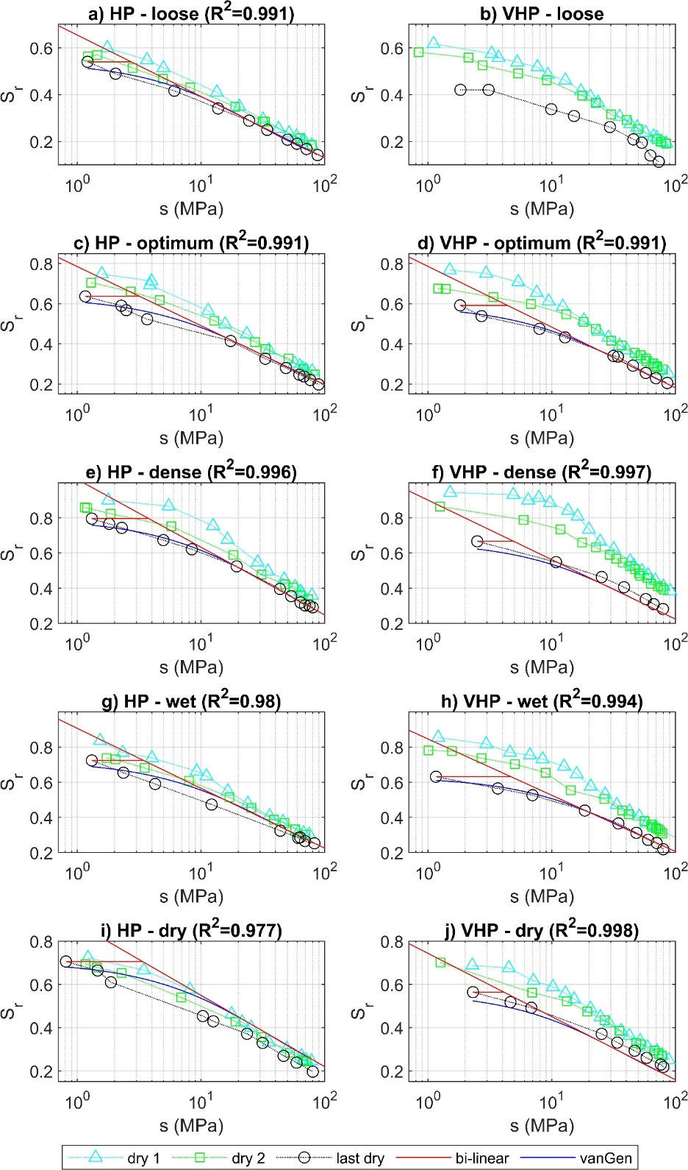
 | 66.3 | 0.2013 |  |  |  |  |  |  | 3.8264 | 0.4782 |  | 35.44 | 0.3055 | 70.28 | 0.2105 |  |  |  |  |  |  |  | 66.26 | 0.2781 |  |  | 89.27 | 0.198 |  |  | 3.6682 | 0.5599 |  | 40.61 | 0.3692 | 52.54 | 0.3437 |  |  |  |  | 5.7553 | 0.5168 |  | 78.86 | 0.3587 |  |  | 75.49 | 0.3005 |  |  | 4.1426 | 0.723 |  | 43 | 0.5532 | 50.88 | 0.4843 |  |  |  |  | 7.9057 | 0.5781 |  | 60.99 | 0.3125 |  |  |  |  |  |  | 4.1426 | 0.6384 |  | 42.48 | 0.4336 | 63.7 | 0.3599 |  |  |  |  | 3.6682 | 0.5748 |  | 66.68 | 0.2503 |  |  |  |  |  |  | 2.5614 | 0.6515 |  | 42.46 | 0.3628 | 77.73 | 0.2711 |  |  |  |  | 7.3049 | 0.4619
 | 78.52 | 0.1844 |  |  |  |  |  |  | 4.2932 | 0.4717 |  | 43.17 | 0.2746 | 76.54 | 0.1991 |  |  |  |  |  |  |  | 79.34 | 0.2639 |  |  |  |  |  |  | 4.1158 | 0.553 |  | 50.14 | 0.3385 | 57.63 | 0.3271 |  |  |  |  | 6.4576 | 0.5093 |  |  |  |  |  | 80.09 | 0.2907 |  |  | 4.6481 | 0.7152 |  | 46.09 | 0.5286 | 51.72 | 0.4702 |  |  |  |  | 8.8703 | 0.5687 |  | 74.82 | 0.3027 |  |  |  |  |  |  | 4.6481 | 0.6304 |  | 50.96 | 0.4055 | 64.97 | 0.3468 |  |  |  |  | 4.1158 | 0.5691 |  | 78.17 | 0.2455 |  |  |  |  |  |  | 2.874 | 0.646 |  | 51.82 | 0.3385 |  |  |  |  |  |  | 8.1962 | 0.4528
 |  |  |  |  |  |  |  |  | 4.8171 | 0.4646 |  | 49.15 | 0.2605 | 84.33 | 0.1908 |  |  |  |  |  |  |  |  |  |  |  |  |  |  |  | 4.618 | 0.5456 |  | 57.09 | 0.3229 | 58.22 | 0.3149 |  |  |  |  | 7.2456 | 0.5012 |  |  |  |  |  |  |  |  |  | 5.2152 | 0.7066 |  | 53.81 | 0.4978 | 59.46 | 0.4568 |  |  |  |  | 9.9527 | 0.5585 |  |  |  |  |  |  |  |  |  | 5.2152 | 0.6217 |  | 58.84 | 0.3656 | 70.01 | 0.3373 |  |  |  |  | 4.618 | 0.5629 |  |  |  |  |  |  |  |  |  | 3.2247 | 0.64 |  | 59.67 | 0.3099 |  |  |  |  |  |  | 9.1963 | 0.4431
 |  |  |  |  |  |  |  |  | 5.4049 | 0.457 |  | 57.33 | 0.2378 |  |  |  |  |  |  |  |  |  |  |  |  |  |  |  |  |  | 5.1815 | 0.5377 |  | 63.81 | 0.3008 | 66.38 | 0.3022 |  |  |  |  | 8.1296 | 0.4924 |  |  |  |  |  |  |  |  |  | 5.8516 | 0.6972 |  | 60.03 | 0.4747 | 63.24 | 0.4252 |  |  |  |  | 11.1671 | 0.5475 |  |  |  |  |  |  |  |  |  | 5.8516 | 0.6123 |  | 69.61 | 0.3467 | 73.03 | 0.3313 |  |  |  |  | 5.1815 | 0.5562 |  |  |  |  |  |  |  |  |  | 3.6181 | 0.6335 |  | 70.78 | 0.292 |  |  |  |  |  |  | 10.3184 | 0.4327
 |  |  |  |  |  |  |  |  | 6.0644 | 0.4487 |  | 66.83 | 0.2219 |  |  |  |  |  |  |  |  |  |  |  |  |  |  |  |  |  | 5.8138 | 0.5292 |  | 70.31 | 0.2846 | 70.94 | 0.2889 |  |  |  |  | 9.1216 | 0.4829 |  |  |  |  |  |  |  |  |  | 6.5656 | 0.687 |  | 68.84 | 0.4439 | 71.99 | 0.4114 |  |  |  |  | 12.5297 | 0.5357 |  |  |  |  |  |  |  |  |  | 6.5656 | 0.6023 |  | 105.57 | 0.2752 | 75.94 | 0.32 |  |  |  |  | 5.8138 | 0.549 |  |  |  |  |  |  |  |  |  | 4.0596 | 0.6264 |  | 77.61 | 0.2738 |  |  |  |  |  |  | 11.5774 | 0.4218
 |  |  |  |  |  |  |  |  | 6.8043 | 0.4397 |  | 70.93 | 0.2147 |  |  |  |  |  |  |  |  |  |  |  |  |  |  |  |  |  | 6.5232 | 0.5201 |  | 75.93 | 0.2672 | 71.15 | 0.2845 |  |  |  |  | 10.2346 | 0.4728 |  |  |  |  |  |  |  |  |  | 7.3667 | 0.6759 |  | 79.98 | 0.4093 | 76.51 | 0.4033 |  |  |  |  | 14.0585 | 0.5229 |  |  |  |  |  |  |  |  |  | 7.3667 | 0.5916 |  |  |  | 78.7 | 0.3086 |  |  |  |  | 6.5232 | 0.5411 |  |  |  |  |  |  |  |  |  | 4.555 | 0.6187 |  | 88.14 | 0.2505 |  |  |  |  |  |  | 12.9901 | 0.4103
 |  |  |  |  |  |  |  |  | 7.6346 | 0.4301 |  | 77.85 | 0.1986 |  |  |  |  |  |  |  |  |  |  |  |  |  |  |  |  |  | 7.3191 | 0.5105 |  | 87.53 | 0.252 | 79.25 | 0.2726 |  |  |  |  | 11.4834 | 0.4619 |  |  |  |  |  |  |  |  |  | 8.2655 | 0.6639 |  | 90.74 | 0.3835 | 80.21 | 0.3924 |  |  |  |  | 15.7739 | 0.5093 |  |  |  |  |  |  |  |  |  | 8.2655 | 0.5801 |  |  |  |  |  |  |  |  |  | 7.3191 | 0.5327 |  |  |  |  |  |  |  |  |  | 5.1108 | 0.6104 |  |  |  |  |  |  |  |  |  | 14.5751 | 0.3982
 |  |  |  |  |  |  |  |  | 8.5661 | 0.4199 |  | 84.52 | 0.1921 |  |  |  |  |  |  |  |  |  |  |  |  |  |  |  |  |  | 8.2122 | 0.5002 |  |  |  |  |  |  |  |  |  | 12.8846 | 0.4504 |  |  |  |  |  |  |  |  |  | 9.2741 | 0.651 |  |  |  |  |  |  |  |  |  | 17.6986 | 0.4949 |  |  |  |  |  |  |  |  |  | 9.2741 | 0.568 |  |  |  |  |  |  |  |  |  | 8.2122 | 0.5236 |  |  |  |  |  |  |  |  |  | 5.7344 | 0.6015 |  |  |  |  |  |  |  |  |  | 16.3535 | 0.3855
 |  |  |  |  |  |  |  |  | 9.6114 | 0.409 |  |  |  |  |  |  |  |  |  |  |  |  |  |  |  |  |  |  |  |  | 9.2142 | 0.4894 |  |  |  |  |  |  |  |  |  | 14.4568 | 0.4382 |  |  |  |  |  |  |  |  |  | 10.4057 | 0.6371 |  |  |  |  |  |  |  |  |  | 19.8582 | 0.4796 |  |  |  |  |  |  |  |  |  | 10.4057 | 0.5551 |  |  |  |  |  |  |  |  |  | 9.2142 | 0.5138 |  |  |  |  |  |  |  |  |  | 6.4341 | 0.5919 |  |  |  |  |  |  |  |  |  | 18.349 | 0.3724
 |  |  |  |  |  |  |  |  | 10.7841 | 0.3974 |  |  |  |  |  |  |  |  |  |  |  |  |  |  |  |  |  |  |  |  | 10.3385 | 0.4781 |  |  |  |  |  |  |  |  |  | 16.2208 | 0.4253 |  |  |  |  |  |  |  |  |  | 11.6754 | 0.6223 |  |  |  |  |  |  |  |  |  | 22.2813 | 0.4634 |  |  |  |  |  |  |  |  |  | 11.6754 | 0.5415 |  |  |  |  |  |  |  |  |  | 10.3385 | 0.5034 |  |  |  |  |  |  |  |  |  | 7.2191 | 0.5816 |  |  |  |  |  |  |  |  |  | 20.5879 | 0.3587
 |  |  |  |  |  |  |  |  | 12.1 | 0.3852 |  |  |  |  |  |  |  |  |  |  |  |  |  |  |  |  |  |  |  |  | 11.6 | 0.4661 |  |  |  |  |  |  |  |  |  | 18.2 | 0.4118 |  |  |  |  |  |  |  |  |  | 13.1 | 0.6066 |  |  |  |  |  |  |  |  |  | 25 | 0.4466 |  |  |  |  |  |  |  |  |  | 13.1 | 0.5273 |  |  |  |  |  |  |  |  |  | 11.6 | 0.4922 |  |  |  |  |  |  |  |  |  | 8.1 | 0.5706 |  |  |  |  |  |  |  |  |  | 23.1 | 0.3447
 |  |  |  |  |  |  |  |  | 13.5764 | 0.3725 |  |  |  |  |  |  |  |  |  |  |  |  |  |  |  |  |  |  |  |  | 13.0154 | 0.4537 |  |  |  |  |  |  |  |  |  | 20.4207 | 0.3976 |  |  |  |  |  |  |  |  |  | 14.6984 | 0.5898 |  |  |  |  |  |  |  |  |  | 28.0505 | 0.4291 |  |  |  |  |  |  |  |  |  | 14.6984 | 0.5124 |  |  |  |  |  |  |  |  |  | 13.0154 | 0.4805 |  |  |  |  |  |  |  |  |  | 9.0883 | 0.5589 |  |  |  |  |  |  |  |  |  | 25.9186 | 0.3303
 |  |  |  |  |  |  |  |  | 15.233 | 0.3592 |  |  |  |  |  |  |  |  |  |  |  |  |  |  |  |  |  |  |  |  | 14.6035 | 0.4407 |  |  |  |  |  |  |  |  |  | 22.9124 | 0.383 |  |  |  |  |  |  |  |  |  | 16.4919 | 0.5722 |  |  |  |  |  |  |  |  |  | 31.4731 | 0.4109 |  |  |  |  |  |  |  |  |  | 16.4919 | 0.4968 |  |  |  |  |  |  |  |  |  | 14.6035 | 0.468 |  |  |  |  |  |  |  |  |  | 10.1973 | 0.5464 |  |  |  |  |  |  |  |  |  | 29.0812 | 0.3156
 |  |  |  |  |  |  |  |  | 17.0917 | 0.3454 |  |  |  |  |  |  |  |  |  |  |  |  |  |  |  |  |  |  |  |  | 16.3854 | 0.4272 |  |  |  |  |  |  |  |  |  | 25.7082 | 0.3678 |  |  |  |  |  |  |  |  |  | 18.5042 | 0.5537 |  |  |  |  |  |  |  |  |  | 35.3134 | 0.3923 |  |  |  |  |  |  |  |  |  | 18.5042 | 0.4807 |  |  |  |  |  |  |  |  |  | 16.3854 | 0.4549 |  |  |  |  |  |  |  |  |  | 11.4416 | 0.5333 |  |  |  |  |  |  |  |  |  | 32.6296 | 0.3008
 |  |  |  |  |  |  |  |  | 19.1772 | 0.3312 |  |  |  |  |  |  |  |  |  |  |  |  |  |  |  |  |  |  |  |  | 18.3848 | 0.4133 |  |  |  |  |  |  |  |  |  | 28.8451 | 0.3522 |  |  |  |  |  |  |  |  |  | 20.7621 | 0.5344 |  |  |  |  |  |  |  |  |  | 39.6223 | 0.3733 |  |  |  |  |  |  |  |  |  | 20.7621 | 0.4641 |  |  |  |  |  |  |  |  |  | 18.3848 | 0.4412 |  |  |  |  |  |  |  |  |  | 12.8376 | 0.5195 |  |  |  |  |  |  |  |  |  | 36.611 | 0.2858
 |  |  |  |  |  |  |  |  | 21.5172 | 0.3167 |  |  |  |  |  |  |  |  |  |  |  |  |  |  |  |  |  |  |  |  | 20.628 | 0.3991 |  |  |  |  |  |  |  |  |  | 32.3647 | 0.3363 |  |  |  |  |  |  |  |  |  | 23.2955 | 0.5144 |  |  |  |  |  |  |  |  |  | 44.457 | 0.3541 |  |  |  |  |  |  |  |  |  | 23.2955 | 0.447 |  |  |  |  |  |  |  |  |  | 20.628 | 0.4268 |  |  |  |  |  |  |  |  |  | 14.4041 | 0.505 |  |  |  |  |  |  |  |  |  | 41.0783 | 0.2708
 |  |  |  |  |  |  |  |  | 24.1427 | 0.3019 |  |  |  |  |  |  |  |  |  |  |  |  |  |  |  |  |  |  |  |  | 23.145 | 0.3845 |  |  |  |  |  |  |  |  |  | 36.3138 | 0.3201 |  |  |  |  |  |  |  |  |  | 26.1379 | 0.4938 |  |  |  |  |  |  |  |  |  | 49.8816 | 0.3347 |  |  |  |  |  |  |  |  |  | 26.1379 | 0.4295 |  |  |  |  |  |  |  |  |  | 23.145 | 0.412 |  |  |  |  |  |  |  |  |  | 16.1616 | 0.4898 |  |  |  |  |  |  |  |  |  | 46.0906 | 0.2558
 |  |  |  |  |  |  |  |  | 27.0885 | 0.2869 |  |  |  |  |  |  |  |  |  |  |  |  |  |  |  |  |  |  |  |  | 25.9692 | 0.3696 |  |  |  |  |  |  |  |  |  | 40.7447 | 0.3038 |  |  |  |  |  |  |  |  |  | 29.3272 | 0.4726 |  |  |  |  |  |  |  |  |  | 55.968 | 0.3153 |  |  |  |  |  |  |  |  |  | 29.3272 | 0.4118 |  |  |  |  |  |  |  |  |  | 25.9692 | 0.3966 |  |  |  |  |  |  |  |  |  | 18.1336 | 0.4741 |  |  |  |  |  |  |  |  |  | 51.7145 | 0.2409
 |  |  |  |  |  |  |  |  | 30.3938 | 0.2719 |  |  |  |  |  |  |  |  |  |  |  |  |  |  |  |  |  |  |  |  | 29.1379 | 0.3545 |  |  |  |  |  |  |  |  |  | 45.7163 | 0.2875 |  |  |  |  |  |  |  |  |  | 32.9057 | 0.451 |  |  |  |  |  |  |  |  |  | 62.7972 | 0.296 |  |  |  |  |  |  |  |  |  | 32.9057 | 0.3938 |  |  |  |  |  |  |  |  |  | 29.1379 | 0.3808 |  |  |  |  |  |  |  |  |  | 20.3463 | 0.4578 |  |  |  |  |  |  |  |  |  | 58.0246 | 0.2263
 |  |  |  |  |  |  |  |  | 34.1024 | 0.2568 |  |  |  |  |  |  |  |  |  |  |  |  |  |  |  |  |  |  |  |  | 32.6932 | 0.3393 |  |  |  |  |  |  |  |  |  | 51.2946 | 0.2711 |  |  |  |  |  |  |  |  |  | 36.9208 | 0.4292 |  |  |  |  |  |  |  |  |  | 70.4596 | 0.277 |  |  |  |  |  |  |  |  |  | 36.9208 | 0.3757 |  |  |  |  |  |  |  |  |  | 32.6932 | 0.3647 |  |  |  |  |  |  |  |  |  | 22.8289 | 0.4411 |  |  |  |  |  |  |  |  |  | 65.1046 | 0.212
 |  |  |  |  |  |  |  |  | 38.2636 | 0.2419 |  |  |  |  |  |  |  |  |  |  |  |  |  |  |  |  |  |  |  |  | 36.6824 | 0.324 |  |  |  |  |  |  |  |  |  | 57.5535 | 0.255 |  |  |  |  |  |  |  |  |  | 41.4258 | 0.4072 |  |  |  |  |  |  |  |  |  | 79.0569 | 0.2583 |  |  |  |  |  |  |  |  |  | 41.4258 | 0.3576 |  |  |  |  |  |  |  |  |  | 36.6824 | 0.3482 |  |  |  |  |  |  |  |  |  | 25.6144 | 0.4239 |  |  |  |  |  |  |  |  |  | 73.0486 | 0.198
 |  |  |  |  |  |  |  |  | 42.9324 | 0.2272 |  |  |  |  |  |  |  |  |  |  |  |  |  |  |  |  |  |  |  |  | 41.1584 | 0.3088 |  |  |  |  |  |  |  |  |  | 64.576 | 0.239 |  |  |  |  |  |  |  |  |  | 46.4806 | 0.3852 |  |  |  |  |  |  |  |  |  |  |  |  |  |  |  |  |  |  |  |  | 46.4806 | 0.3395 |  |  |  |  |  |  |  |  |  | 41.1584 | 0.3316 |  |  |  |  |  |  |  |  |  | 28.7399 | 0.4065
 |  |  |  |  |  |  |  |  | 48.171 | 0.2128 |  |  |  |  |  |  |  |  |  |  |  |  |  |  |  |  |  |  |  |  | 46.1804 | 0.2936 |  |  |  |  |  |  |  |  |  | 72.4555 | 0.2234 |  |  |  |  |  |  |  |  |  | 52.152 | 0.3633 |  |  |  |  |  |  |  |  |  |  |  |  |  |  |  |  |  |  |  |  | 52.152 | 0.3216 |  |  |  |  |  |  |  |  |  | 46.1804 | 0.315 |  |  |  |  |  |  |  |  |  | 32.2467 | 0.3888
 |  |  |  |  |  |  |  |  | 54.0487 | 0.1987 |  |  |  |  |  |  |  |  |  |  |  |  |  |  |  |  |  |  |  |  | 51.8153 | 0.2785 |  |  |  |  |  |  |  |  |  | 81.2964 | 0.2082 |  |  |  |  |  |  |  |  |  | 58.5156 | 0.3416 |  |  |  |  |  |  |  |  |  |  |  |  |  |  |  |  |  |  |  |  | 58.5156 | 0.3039 |  |  |  |  |  |  |  |  |  | 51.8153 | 0.2983 |  |  |  |  |  |  |  |  |  | 36.1814 | 0.371
 |  |  |  |  |  |  |  |  | 60.6437 | 0.1851 |  |  |  |  |  |  |  |  |  |  |  |  |  |  |  |  |  |  |  |  | 58.1377 | 0.2637 |  |  |  |  |  |  |  |  |  |  |  |  |  |  |  |  |  |  |  |  | 65.6555 | 0.3204 |  |  |  |  |  |  |  |  |  |  |  |  |  |  |  |  |  |  |  |  | 65.6555 | 0.2865 |  |  |  |  |  |  |  |  |  | 58.1377 | 0.2817 |  |  |  |  |  |  |  |  |  | 40.5962 | 0.3531
 |  |  |  |  |  |  |  |  | 68.0433 | 0.1719 |  |  |  |  |  |  |  |  |  |  |  |  |  |  |  |  |  |  |  |  | 65.2316 | 0.2491 |  |  |  |  |  |  |  |  |  |  |  |  |  |  |  |  |  |  |  |  | 73.6667 | 0.2996 |  |  |  |  |  |  |  |  |  |  |  |  |  |  |  |  |  |  |  |  | 73.6667 | 0.2695 |  |  |  |  |  |  |  |  |  | 65.2316 | 0.2652 |  |  |  |  |  |  |  |  |  | 45.5496 | 0.3353
 |  |  |  |  |  |  |  |  | 76.3458 | 0.1593 |  |  |  |  |  |  |  |  |  |  |  |  |  |  |  |  |  |  |  |  | 73.1911 | 0.2349 |  |  |  |  |  |  |  |  |  |  |  |  |  |  |  |  |  |  |  |  |  |  |  |  |  |  |  |  |  |  |  |  |  |  |  |  |  |  |  |  |  |  |  |  |  |  |  |  |  |  |  |  |  | 73.1911 | 0.2491 |  |  |  |  |  |  |  |  |  | 51.1075 | 0.3176
 |  |  |  |  |  |  |  |  | 85.6614 | 0.1473 |  |  |  |  |  |  |  |  |  |  |  |  |  |  |  |  |  |  |  |  | 82.1217 | 0.2211 |  |  |  |  |  |  |  |  |  |  |  |  |  |  |  |  |  |  |  |  |  |  |  |  |  |  |  |  |  |  |  |  |  |  |  |  |  |  |  |  |  |  |  |  |  |  |  |  |  |  |  |  |  |  |  |  |  |  |  |  |  |  |  |  | 57.3436 | 0.3001
 |  |  |  |  |  |  |  |  |  |  |  |  |  |  |  |  |  |  |  |  |  |  |  |  |  |  |  |  |  |  |  |  |  |  |  |  |  |  |  |  |  |  |  |  |  |  |  |  |  |  |  |  |  |  |  |  |  |  |  |  |  |  |  |  |  |  |  |  |  |  |  |  |  |  |  |  |  |  |  |  |  |  |  |  |  |  |  |  |  |  |  |  |  |  |  |  | 64.3406 | 0.2829
 |  |  |  |  |  |  |  |  |  |  |  |  |  |  |  |  |  |  |  |  |  |  |  |  |  |  |  |  |  |  |  |  |  |  |  |  |  |  |  |  |  |  |  |  |  |  |  |  |  |  |  |  |  |  |  |  |  |  |  |  |  |  |  |  |  |  |  |  |  |  |  |  |  |  |  |  |  |  |  |  |  |  |  |  |  |  |  |  |  |  |  |  |  |  |  |  | 72.1913 | 0.2661

